Contents
TABLE OF CONTENTS

TABLES

I - PASSENGER TRAFFIC

 | 1 | - | Passenger traffic by sex, Island of Mauritius, 2000 - 2020

 | 2a | - | Passenger traffic between Islands of Mauritius and Rodrigues, 2000 - 2020

 | 2b | - | Passenger traffic between Islands of Rodrigues and Reunion, 2015 - 2020

 | 3 | - | Passenger traffic by mode of travel, Island of Mauritius, 2000 - 2020

 | 4 | - | Passenger traffic by month, Island of Mauritius, 2017 - 2020

 | 5 | - | Arrivals by country of embarkation, Island of Mauritius, 2015 - 2020

 | 6 | - | Departures by country of disembarkation, Island of Mauritius, 2015 - 2020

 | 7 | - | Monthly passenger traffic by type of passenger, Island of Mauritius, 2020

 | 8 | - | Passenger traffic by type of passenger, Island of Mauritius, 2011 - 2020

 | 9 | - | Total arrivals by age and sex, Island of Mauritius, 2019 and 2020

 | 10 | - | Total departures by age and sex, Island of Mauritius, 2019 and 2020

 | 11 | - | Arrivals of Mauritian residents by age and sex, 2019 and 2020

 | 12 | - | Departures of Mauritian residents by age and sex, 2019 and 2020

 | 13 | - | Arrivals and departures of Mauritian residents by country of embarkation and disembarkation, 2018 - 2020

II - TOURISM

 |  |  | Definition and notes

 | 14 | - | Tourist arrivals by country of residence and sex, 2019 and 2020

 | 15 | - | Tourist arrivals by air and by main port of last embarkation for selected markets, 2020

 | 16 | - | Visitor arrivals by country of residence and by purpose of visit, 2018 - 2020

 | 17 | - | Visitor arrivals by age and sex, 2019 and 2020

 | 18 | - | Tourist arrivals by broad age group and mode of travel, 2017 - 2020

 | 19 | - | Visitor departures by duration of stay, 2019 and 2020

 | 20 | - | Visitor departures by country of residence and duration of stay, 2020

 | 21 | - | Tourist arrivals, tourist departures and average length of stay (nights) of tourists by country of residence, 2019 and 2020

 | 22 | - | Expenditure of tourists by country of residence, 2011 - 2018

 | 23 | - | Expenditure of tourists by type of expenditure, 2011 - 2018

ILLUSTRATIONS

Figure | 1 | - | Passenger traffic: Total arrivals in the Island of Mauritius by sex, 2004 - 2020

 | 2 | - | Passenger traffic: Total arrivals by sex in the Island of Rodrigues from the Island of Mauritius, 2004 - 2020

 | 3 | - | Passenger traffic: Total departures from the Island of Mauritius by sex, 2004 - 2020

 | 4 | - | Passenger traffic: Total departures by sex from the Island of Rodrigues to the Island of Mauritius, 2004 - 2020

 | 5 | - | Passenger Traffic: Total arrivals and total departures, Island of Mauritius, 2011 - 2020

 | 6 | - | Passenger Traffic: Total arrivals and total departures beween Islands of Rodrigues and Mauritius, 2011 - 2020

 | 7 | - | Total arrivals and tourist arrivals, 2011 - 2020

Contact persons:
Mrs T.Joomun, Statistician;
Mrs M.Koolwant-Beesoondoyal,
Senior Statistical Officer
Tourism Statistics Unit
Statistics Mauritius
LIC centre, John Kennedy Street, Port Louis
Tel: (230) 208 1800
Fax: (230) 211 4150
Email: sm-tourism@govmu.org
Appendix : Disembarkation Card
 | **********************************************************************

Table 1
Back to Table of Contents
I - PASSENGER TRAFFIC

Table 1 - Passenger traffic1 by sex, Island of Mauritius, 2000 - 2020

Period | Arrivals |  |  | Departures |  |  | Arrivals minus Departures
 | Total | Male | Female | Total | Male | Female

2000 | 915,203 | 480,879 | 434,324 | 895,569 | 469,902 | 425,667 | + 19,634
2001 | 910,489 | 477,984 | 432,505 | 903,073 | 473,096 | 429,977 | + 7,416
2002 | 951,090 | 498,177 | 452,913 | 942,876 | 494,212 | 448,664 | + 8,214
2003 | 968,906 | 510,212 | 458,694 | 947,774 | 497,011 | 450,763 | + 21,132
2004 | 1,000,545 | 523,961 | 476,584 | 979,322 | 511,734 | 467,588 | + 21,223
2005 | 1,043,900 | 544,520 | 499,380 | 1,029,666 | 538,113 | 491,553 | + 14,234
2006 | 1,072,879 | 562,766 | 510,113 | 1,060,074 | 555,279 | 504,795 | + 12,805
2007 | 1,238,826 | 648,554 | 590,272 | 1,237,747 | 645,657 | 592,090 | + 1,079
2008 | 1,280,640 | 669,919 | 610,721 | 1,261,182 | 658,947 | 602,235 | + 19,458
2009 | 1,210,005 | 623,925 | 586,080 | 1,206,550 | 623,551 | 582,999 | + 3,455
2010 | 1,312,700 | 677,067 | 635,633 | 1,317,581 | 679,362 | 638,219 | - 4,881
2011 | 1,358,951 | 703,094 | 655,857 | 1,358,562 | 702,039 | 656,523 | + 389
2012 | 1,354,589 | 702,943 | 651,646 | 1,353,618 | 702,000 | 651,618 | + 971
2013 | 1,391,481 | 721,607 | 669,874 | 1,390,649 | 719,127 | 671,522 | + 832
2014 | 1,458,873 | 750,696 | 708,177 | 1,454,651 | 745,229 | 709,422 | + 4,222
2015 | 1,602,258 | 818,514 | 783,744 | 1,600,154 | 814,074 | 786,080 | + 2,104
2016 | 1,775,462 | 901,394 | 874,068 | 1,772,498 | 897,398 | 875,100 | + 2,964
2017 | 1,875,872 | 952,002 | 923,870 | 1,872,624 | 946,010 | 926,614 | + 3,248
2018 | 1,959,517 | 993,355 | 966,162 | 1,957,115 | 987,633 | 969,482 | + 2,402
2019 | 1,973,405 | 1,000,599 | 972,806 | 1,978,906 | 999,932 | 978,974 | - 5,501
2020 | 501,351 | 254,976 | 246,375 | 550,916 | 278,875 | 272,041 | - 49,565

1/
1/
1 Includes traffic between Islands of Mauritius and Rodrigues and cruise travellers, but excludes traffic from other constituent islands of the Republic of Mauritius, direct transit and traffic between Islands of Rodrigues and Reunion.

1/
1/

Figures 3&4
Back to Table of Contents

Figure 4 - Passenger traffic: Total departures by sex from the Island of Rodrigues to the Island of Mauritius, 2004 - 2020
 | Male | Female | Total
2004 | 34.314 | 26.516 | 60.83
2005 | 29.447 | 24.54 | 53.987
2006 | 31.822 | 24.193 | 56.015
2007 | 33.735 | 27.86 | 61.595
2008 | 29.26 | 24.952 | 54.212
2009 | 28.341 | 25.085 | 53.426
2010 | 32.101 | 28.561 | 60.662
2011 | 33.938 | 30.626 | 64.564
2012 | 36.372 | 31.373 | 67.745
2013 | 37.348 | 32.5 | 69.848
2014 | 36.435 | 33.225 | 69.66
2015 | 41.629 | 38.45 | 80.079
2016 | 46.691 | 43.936 | 90.627
2017 | 50.632 | 45.416 | 96.048
2018 | 51.034 | 46.705 | 97.739
2019 | 50.846 | 47.791 | 98.637
2020 | 31.431 | 27.6 | 59.031

Figures 5&6
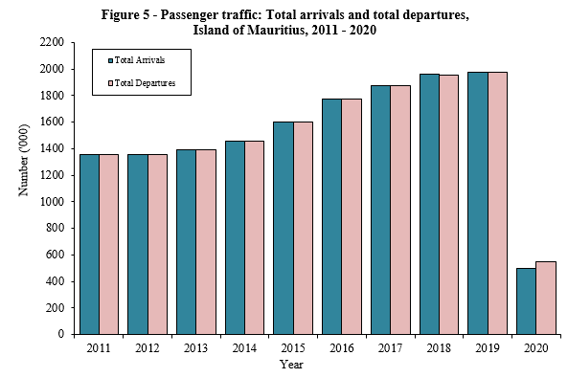
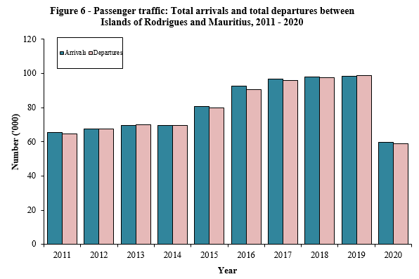
Back to Table of Contents

Table 3
Back to Table of Contents
Table 3 - Passenger traffic1 by mode of travel, Island of Mauritius, 2000 - 2020

Period | Arrivals |  |  | Departures |  |  | Arrivals minus Departures
 | Total | By sea | By air | Total | By sea | By air

2000 | 915,203 | 34,262 | 880,941 | 895,569 | 33,368 | 862,201 | + 19,634
2001 | 910,489 | 27,847 | 882,642 | 903,073 | 26,313 | 876,760 | + 7,416
2002 | 951,090 | 43,890 | 907,200 | 942,876 | 42,630 | 900,246 | + 8,214
2003 | 968,906 | 31,296 | 937,610 | 947,774 | 28,936 | 918,838 | + 21,132
2004 | 1,000,545 | 32,238 | 968,307 | 979,322 | 28,609 | 950,713 | + 21,223
2005 | 1,043,900 | 35,422 | 1,008,478 | 1,029,666 | 35,478 | 994,188 | + 14,234
2006 | 1,072,879 | 31,713 | 1,041,166 | 1,060,074 | 28,725 | 1,031,349 | + 12,805
2007 | 1,238,826 | 33,373 | 1,205,453 | 1,237,747 | 31,001 | 1,206,746 | + 1,079
2008 | 1,280,640 | 48,311 | 1,232,329 | 1,261,182 | 47,494 | 1,213,688 | + 19,458
2009 | 1,210,005 | 54,396 | 1,155,609 | 1,206,550 | 49,005 | 1,157,545 | + 3,455
2010 | 1,312,700 | 57,576 | 1,255,124 | 1,317,581 | 63,549 | 1,254,032 | - 4,881
2011 | 1,358,951 | 54,841 | 1,304,110 | 1,358,562 | 52,356 | 1,306,206 | + 389
2012 | 1,354,589 | 45,947 | 1,308,642 | 1,353,618 | 48,258 | 1,305,360 | + 971
2013 | 1,391,481 | 44,476 | 1,347,005 | 1,390,649 | 40,641 | 1,350,008 | + 832
2014 | 1,458,873 | 36,774 | 1,422,099 | 1,454,651 | 30,537 | 1,424,114 | + 4,222
2015 | 1,602,258 | 42,370 | 1,559,888 | 1,600,154 | 40,907 | 1,559,247 | + 2,104
2016 | 1,775,462 | 59,548 | 1,715,914 | 1,772,498 | 54,205 | 1,718,293 | + 2,964
2017 | 1,875,872 | 55,078 | 1,820,794 | 1,872,624 | 53,331 | 1,819,293 | + 3,248
2018 | 1,959,517 | 72,984 | 1,886,533 | 1,957,115 | 71,266 | 1,885,849 | + 2,402
2019 | 1,973,405 | 84,473 | 1,888,932 | 1,978,906 | 88,175 | 1,890,731 | - 5,501
2020 | 501,351 | 43,529 | 457,822 | 550,916 | 41,629 | 509,287 | - 49,565
2020:1st Qr. | 443,617 | 43,259 | 400,358 | 488,748 | 41,474 | 447,274 | - 45,131
2nd Qr. | 2,592 | 13 | 2,579 | 5,398 | 13 | 5,385 | - 2,806
3rd Qr. | 20,052 | 79 | 19,973 | 20,495 | 51 | 20,444 | - 443
4th Qr. | 35,090 | 178 | 34,912 | 36,275 | 91 | 36,184 | - 1,185

1/
1/
1/
1/
1/
1/
1/
1 Includes traffic between Islands of Mauritius and Rodrigues and cruise travellers, but excludes traffic from other constituent islands of the Republic of Mauritius, direct transit and traffic between Islands of Rodrigues and Reunion.

Table 4
Back to Table of Contents
Table 4 - Passenger traffic1 by month, Island of Mauritius, 2017 - 2020

Month | Arrivals |  |  |  | Departures |  |  |  | Excess of arrivals over departures

 | 2017 | 2018 | 2019 | 2020 | 2017 | 2018 | 2019 | 2020 | 2017 | 2018 | 2019 | 2020
January | 176,279 | 177,413 | 183,781 | 202,325 | 201,092 | 205,211 | 214,096 | 221,315 | - 24,813 | - 27,798 | - 30,315 | - 18,990
February | 143,546 | 157,184 | 157,258 | 154,033 | 146,296 | 153,828 | 152,676 | 156,816 | - 2,750 | + 3,356 | + 4,582 | - 2,783
March | 152,204 | 162,496 | 162,911 | 87,259 | 156,289 | 164,027 | 173,262 | 110,617 | - 4,085 | - 1,531 | - 10,351 | - 23,358
April | 159,483 | 155,545 | 159,043 | 260 | 159,740 | 160,006 | 154,226 | 932 | - 257 | - 4,461 | + 4,817 | - 672
May | 133,259 | 137,278 | 137,018 | 647 | 139,321 | 146,779 | 142,094 | 1,702 | - 6,062 | - 9,501 | - 5,076 | - 1,055
June | 111,059 | 118,820 | 131,489 | 1,685 | 110,420 | 116,691 | 130,394 | 2,764 | + 639 | + 2,129 | + 1,095 | - 1,079
July | 158,637 | 164,226 | 163,995 | 4,024 | 145,167 | 152,106 | 153,884 | 5,324 | + 13,470 | + 12,120 | + 10,111 | - 1,300
August | 146,301 | 157,279 | 159,808 | 7,131 | 154,805 | 164,584 | 166,139 | 6,544 | - 8,504 | - 7,305 | - 6,331 | + 587
September | 133,046 | 143,227 | 141,451 | 8,897 | 130,823 | 142,128 | 141,331 | 8,627 | + 2,223 | + 1,099 | + 120 | + 270
October | 171,587 | 177,595 | 171,694 | 11,060 | 165,279 | 167,000 | 164,510 | 10,124 | + 6,308 | + 10,595 | + 7,184 | + 936
November | 171,531 | 185,907 | 188,480 | 10,469 | 172,594 | 190,983 | 191,980 | 12,478 | - 1,063 | - 5,076 | - 3,500 | - 2,009
December | 218,940 | 222,547 | 216,477 | 13,561 | 190,798 | 193,772 | 194,314 | 13,673 | + 28,142 | + 28,775 | + 22,163 | - 112
Whole Year | 1,875,872 | 1,959,517 | 1,973,405 | 501,351 | 1,872,624 | 1,957,115 | 1,978,906 | 550,916 | + 3,248 | + 2,402 | - 5,501 | - 49,565
1/
1 Includes traffic between Islands of Mauritius and Rodrigues and cruise travellers, but excludes traffic from other constituent islands of the Republic of Mauritius, direct transit and traffic between Islands of Rodrigues and Reunion.

Tables 7-8
Back to Table of Contents
Table 7 - Monthly passenger traffic1 by type of passenger, Island of Mauritius, 2020

Type of passenger | Jan | Feb | Mar | Apr | May | Jun | Jul | Aug | Sep | Oct | Nov | Dec | Whole Year
Arrivals
Visitors 2 | 139,476 | 114,763 | 56,804 | 12 | 20 | 9 | 45 | 331 | 369 | 1,161 | 1,180 | 1,042 | 315,212
- On holiday | 129,405 | 104,667 | 52,523 | 0 | 1 | 0 | 3 | 39 | 111 | 651 | 639 | 713 | 288,752
- On business & conference | 3,796 | 4,023 | 1,647 | 10 | 7 | 1 | 10 | 245 | 230 | 317 | 229 | 182 | 10,697
- In transit | 6,170 | 5,933 | 2,546 | 2 | 11 | 8 | 23 | 29 | 11 | 165 | 219 | 138 | 15,255
- Others & not stated | 105 | 140 | 88 | 0 | 1 | 0 | 9 | 18 | 17 | 28 | 93 | 9 | 508
Mauritian residents | 34,909 | 20,226 | 16,863 | 110 | 447 | 1,180 | 1,291 | 1,912 | 2,269 | 2,064 | 1,812 | 1,535 | 84,618
Rodrigues | 11,322 | 6,029 | 4,963 | 0 | 0 | 197 | 2,401 | 4,562 | 5,673 | 7,096 | 6,821 | 9,967 | 59,031
Other 3 | 16,618 | 13,015 | 8,629 | 138 | 180 | 299 | 287 | 326 | 586 | 739 | 656 | 1,017 | 42,490
Total arrivals | 202,325 | 154,033 | 87,259 | 260 | 647 | 1,685 | 4,024 | 7,131 | 8,897 | 11,060 | 10,469 | 13,561 | 501,351
Departures
Visitors 2 | 162,179 | 109,267 | 84,717 | 537 | 819 | 836 | 628 | 355 | 341 | 433 | 549 | 788 | 361,449
Mauritian residents | 26,140 | 20,810 | 10,802 | 155 | 418 | 716 | 1,228 | 879 | 1,156 | 1,043 | 885 | 1,233 | 65,465
Rodrigues | 9,329 | 5,849 | 4,590 | 0 | 0 | 131 | 2,635 | 4,630 | 5,675 | 7,484 | 9,692 | 9,555 | 59,570
Other 3 | 23,667 | 20,890 | 10,508 | 240 | 465 | 1,081 | 833 | 680 | 1,455 | 1,164 | 1,352 | 2,097 | 64,432
Total departures | 221,315 | 156,816 | 110,617 | 932 | 1,702 | 2,764 | 5,324 | 6,544 | 8,627 | 10,124 | 12,478 | 13,673 | 550,916
1 Including traffic between Islands of Mauritius and Rodrigues and cruise travellers, but excluding traffic from other constituent islands of the Republic of Mauritius, direct transit and traffic between Islands of Rodrigues and Reunion.
2 Including non-residents who left the airport but stayed in the country for less than a day |  |  |  |  |  | 3 Including contract workers

Table 8 - Passenger traffic1 by type of passenger, Island of Mauritius, 2011 - 2020

Type of passenger | 2011 | 2012 | 2013 | 2014 | 2015 | 2016 | 2017 | 2018 | 2019 | 2020
Arrivals
Visitors 2 | 982,566 | 984,104 | 1,014,818 | 1,065,030 | 1,172,883 | 1,305,372 | 1,370,290 | 1,430,608 | 1,416,387 | 315,212
- On holiday | 897,786 | 896,977 | 922,970 | 969,157 | 1,076,438 | 1,198,547 | 1,259,047 | 1,307,144 | 1,292,257 | 288,752
- On business & conference | 40,730 | 42,567 | 43,480 | 44,782 | 48,337 | 50,396 | 52,556 | 58,473 | 56,050 | 10,697
- In transit | 40,948 | 41,744 | 44,675 | 47,447 | 44,208 | 52,948 | 54,748 | 61,617 | 63,194 | 15,255
- Others & not stated | 3,102 | 2,816 | 3,693 | 3,644 | 3,900 | 3,481 | 3,939 | 3,374 | 4,886 | 508
3/
3/
3/
3/
3/
3/
3/
3/
3/
3/
3/
3/
3/
3/
3/
3/
3/
3/
3/
3/
3/
3/
3/
3/
3/
3/
3/
3/
3/
3/
3/
3/
3/
3/
3/
3/
3/
3/
3/
3/
3/
3/
3/
3/
3/
3/
3/
3/
3/
3/
3/
3/
3/
3/
3/
3/
3/
3/
3/
3/
3/
3/
3/
3/
3/
3/
3/
3/
3/
3/
3/
3/
3/
3/
3/
3/
3/
3/
3/
3/
3/
3/
3/
3/
3/
3/
3/
3/
3/
3/
3/
3/
3/
3/
3/
3/
3/
3/
3/
3/
3/
3/
3/
3/
3/
3/
3/
3/
3/
3/
3/
3/
3/
3/
3/
3/
3/
3/
3/
3/
3/
3/
3/
3/
3/
3/
3/
3/
3/
3/
3/
3/
3/
3/
3/
3/
3/
3/
3/
3/
3/
3/
Mauritian residents | 227,454 | 248,050 | 235,440 | 230,654 | 250,970 | 269,441 | 292,841 | 307,848 | 330,587 | 84,618
Rodrigues | 64,564 | 67,745 | 69,848 | 69,660 | 80,079 | 90,627 | 96,048 | 97,739 | 98,637 | 59,031
Other 3 | 84,367 | 54,690 | 71,375 | 93,529 | 98,326 | 110,022 | 116,693 | 123,322 | 127,794 | 42,490
Total arrivals | 1,358,951 | 1,354,589 | 1,391,481 | 1,458,873 | 1,602,258 | 1,775,462 | 1,875,872 | 1,959,517 | 1,973,405 | 501,351
Departures
Visitors 2 | 997,507 | 971,157 | 1,011,416 | 1,057,727 | 1,163,445 | 1,290,328 | 1,349,471 | 1,408,223 | 1,393,201 | 361,449
3/
3/
3/
3/
3/
3/
3/
3/
3/
3/
3/
3/
3/
3/
3/
3/
3/
3/
3/
3/
3/
3/
3/
3/
3/
3/
3/
3/
3/
3/
3/
3/
3/
3/
3/
3/
3/
3/
3/
3/
3/
3/
3/
3/
3/
3/
3/
3/
3/
3/
3/
3/
3/
3/
3/
3/
3/
3/
Mauritian residents | 219,055 | 236,595 | 227,855 | 222,906 | 242,430 | 260,450 | 282,750 | 296,074 | 320,137 | 65,465
Rodrigues | 65,423 | 67,527 | 69,762 | 69,514 | 80,884 | 92,746 | 96,630 | 97,907 | 98,528 | 59,570
Other 3 | 76,577 | 78,339 | 81,616 | 104,504 | 113,395 | 128,974 | 143,773 | 154,911 | 167,040 | 64,432
Total departures | 1,358,562 | 1,353,618 | 1,390,649 | 1,454,651 | 1,600,154 | 1,772,498 | 1,872,624 | 1,957,115 | 1,978,906 | 550,916
1 Including traffic between Islands of Mauritius and Rodrigues and cruise travellers, but excluding traffic from other constituent islands of the Republic of Mauritius, direct transit and traffic between Islands of Rodrigues and Reunion.
2 Including non-residents who left the airport but stayed in the country for less than a day |  |  |  |  |  | 3 Including contract workers

Fig7
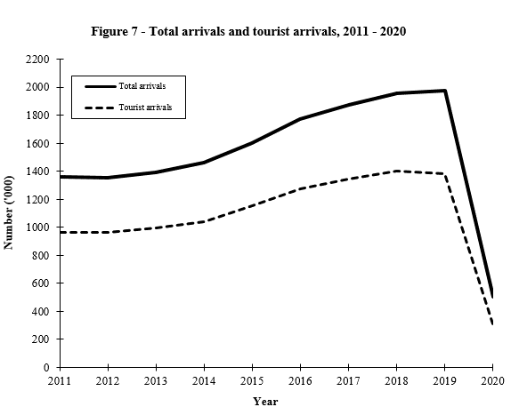
Back to Table of Contents

