Cover
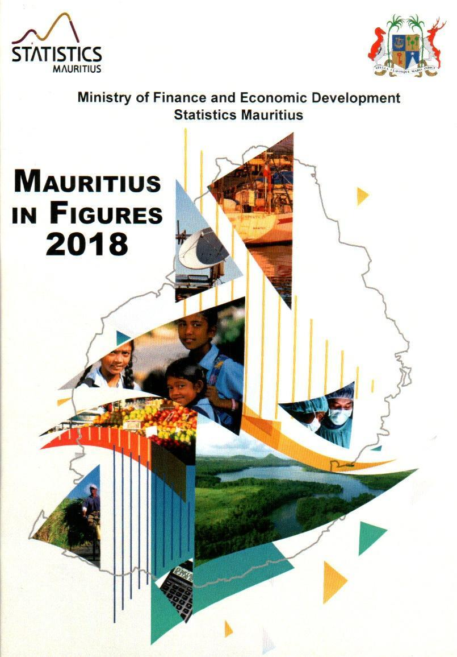
Ministry of Finance, Economic Planning and Development Statistics Mauritius
MAURITIUS
IN FIGURES
2021

August 2022

10
back to contents
 |  |  | 2019 | 2020 | 2021
 | Vital statistics (contd.)
 |  | Crude birth rate | 10.2 | 10.6 | 10.3
 |  | Total fertility rate | 1.4 | 1.4 | 1.4
 |  | Crude death rate | 8.8 | 8.7 | 10.5
 |  | Marriage rate | 15.3 | 10.9 | 12.9
 |  | Divorce rate | 3.4 | 3.2 | 3.3
 |  |  | 2035 | 2036 | 2046
 | Projected population ('000)
 |  | Male | 602.8 | 596.8 | 550.0.
 |  | Female | 618.6 | 610.9 | 560.3
 | Age composition (%)
 |  | under 15 years | 14.8 | 14.5 | 12.8
 |  | 15-59 years | 59.3 | 59.4 | 57.3
 |  | 60-64 years | 6.0 | 6.1 | 6.9
 |  | 65 years and over | 19.9 | 20.0 | 23.0
 | Population pyramid ('000)
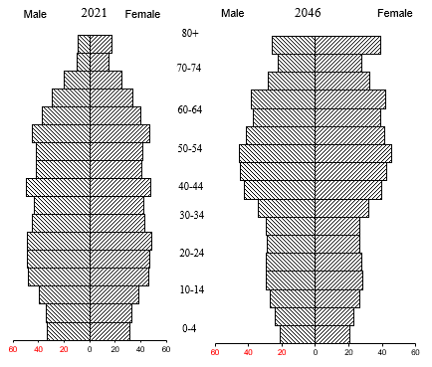
80+

70-74

60-64

50-54

40-44

30-34
10

11
back to contents
3. HEALTH
 |  | 2019 1 | 2020 | 20212
Life expectancy at birth (years)
 | Male | 70.9 | 70.3 1 | 70.4
 | Female | 77.7 | 77.2 1 | 77.3
Early neonatal mortality rate |  | 7.2 | 5.9 | 7.5
Late neonatal mortality rate |  | 3.2 | 4.4 | 2.2
Perinatal mortality rate |  | 17.8 | 16.2 | 17.5
Infant mortality rate |  | 14.5 | 14.9 | 13.8
Deaths per 100,000 of 45-64 yrs old
 | Male | 1,263 | 1,227 | 1,402
 | Female | 654 | 604 | 733
Life expectancy at birth (years)

Female
 |  | 2019 | 2020 | 2021
Health facilities
Hospitals3 |  | 15 | 171 | 16
Hospital beds |  | 4,709 | 4,7201 | 4,816
Area health centres4 |  | 23 | 241 | 24
Mediclinics |  | 5 | 6 | 6
Community health centres |  | 130 | 1281 | 1265
Private clinics |  | 19 | 18 | 18
1 Revised. 2 Provisional. 3 Including two health centres with beds in Rodrigues. 4 Including Y. Cantin and Long Mountain Community Hospitals. 5 Two CHCs not operational in Rodrigues
11

12
Female
back to contents
 |  | 2019 | 2020 1 | 20212
Health facilities (contd.)
 | Medical practitioners | 3,290 | 3,450 | 3,775
 | Dentists | 412 | 428 | 449
 | Nurses & midwives | 4,306 | 4,400 | 4,386
 | Pharmacists | 548 | 5501 | 555
Doctor per 10,000 population |  | 26.0 | 27.3 | 29.9
Dentist per 10,000 population |  | 3.3 | 3.4 | 3.6
Deaths (per 100,000 population)
 | Circulatory system | 279 | 287 | 362
 | Respiratory system | 112 | 95 | 96
 | Neoplasms | 117 | 113 | 112
 | Injury & poisoning | 41 | 40 | 37
 | Diabetes mellitus | 194 | 183 | 207
% Deaths
 | Circulatory system | 32 | 33 | 35
 | Respiratory system | 13 | 11 | 9
 | Neoplasms | 13 | 13 | 11
 | Injury & poisoning | 5 | 5 | 4
 | Diabetes mellitus | 22 | 21 | 20
Public expenditure on health as % of
 | Total public expenditure | 10.6 3 | 9.3 4 | 7.3 5
 | GDP at market prices | 2.6 3 | 3.0 4 | 3.0 5
1 Revised 2 Provisional
3 Refers to financial year 2018/2019
4 Refers to financial year 2019/2020
5 Refers to financial year 2020/2021
12

13
Female
back to contents
4. EDUCATION
 |  |  | 2019 | 2020 | 2021
Pre-primary
 | Schools |  | 851 | 828 | 789
 | Enrolment |  | 25,479 | 26,162 | 23,603
 |  | Male | 13,010 | 13,633 | 12,089
 |  | Female | 12,469 | 12,529 | 11,514
 | Gross enrolment ratio (4-5yrs) |  | 96 | 102 | 92
 |  | Male | 97 | 104 | 92
 |  | Female | 96 | 100 | 93
 | Teaching staff |  | 2,134 | 2,103 | 1,831
 | Pupil/teacher ratio |  | 12 | 12 | 13
Primary
 | Schools |  | 319 | 318 | 319
 | Enrolment |  | 85,730 | 82,514 | 84,129
 |  | Male | 43,133 | 41,562 | 42,306
 |  | Female | 42,597 | 40,952 | 41,823
 | Gross enrolment ratio (6-11yrs) |  | 95 | 95 | 100
 |  | Male | 95 | 95 | 99
 |  | Female | 96 | 96 | 101
Teaching staff |  |  | 5,639 | 5,903 | 5,936
 |  | Male | 1,118 | 1,141 | 1,101
 |  | Female | 4,521 | 4,762 | 4,835
 | Pupil/teacher ratio 1 |  | 20 | 18 | 18
 | Cert. of Primary Education/ PSAC (% pass) |  | 77.3 | - | 78.0
 |  | Male | 71.7 | - | 72.8
 |  | Female | 82.8 | - | 83.4
Note: See footnotes on page 15
13

14
Female
back to contents
 |  |  | 2019 | 2020 | 2021
Secondary - Academic
 | Schools |  | 180 | 179 | 178
 | Enrolment |  | 108,562 | 105,606 | 102,722
 |  | Male | 52,547 | 51,259 | 50,341
 |  | Female | 56,015 | 54,347 | 52,381

 | Gross enrolment ratio (12-19yrs) |  | 72 | 72 | 72
 |  | Male | 69 | 69 | 69
 |  | Female | 76 | 76 | 74
 | Teaching staff |  | 8,813 | 9,542 | 9,379
 |  | Male | 3,199 | 3,468 | 3,296
 |  | Female | 5,614 | 6,074 | 6,083
 | Pupil/teacher ratio |  | 12 | 11 | 11
 | School Certificate (% pass) |  | 70.9 | … | 85.7
 |  | Male | 67.9 | … | 83.1
 |  | Female | 73.3 | … | 87.7
 | Higher School Certificate (% pass) |  | 75.0 | … | 90.0
 |  | Male | 70.8 | … | 87.3
 |  | Female | 77.8 | … | 92.0
Secondary - Pre-vocational
 | Schools |  | 111 | … | …
 | Enrolment |  | 3,781 | 1,443 | …
 |  | Male | 2,471 | 966 | …
 |  | Female | 1,310 | 477 | …
 | Teaching staff |  | 970 | … | …
 |  | Male | 390 | … | …
 |  | Female | 580 | … | …
 | Pupil/teacher ratio |  | 4 | … | …
Note: See footnotes on page 15
14

15
Female
back to contents
Vocational & Technical Training 2 |  |  | 2019 | 2020 | 2021
 | Schools |  | 15 | 15 | …
 | Enrolment |  | 8,024 | 7,328 | …
 |  | Male | 6,135 | 5,607 | …
 |  | Female | 1,889 | 1,721 | …
Post-secondary 3 |  |  | 19/20 | 20/21 | 21/22
 | Schools |  | 8 | 8 | 8
 | Enrolment |  | 28,125 | 31,432 | 32,554
 |  | Male | 11,067 | 13,205 | 12,208
 |  | Female | 17,058 | 18,227 | 20,346
 | of which
Universite des Mascareignes
 | Enrolment |  | 1,310 | 1,375 | 1,267
 |  | Male | 875 | 899 | 781
 |  | Female | 435 | 476 | 486
Open University of Mauritius
Distance Education Courses
 | Enrolment |  | 9,947 | 12,677 | 14,158
 |  | Male | 3,703 | 5,759 | 4,804
 |  | Female | 6,244 | 6,918 | 9,354
Literacy rate |  |  | 2019 | 2020 | 2021
 |  | Total | … | … | …
 |  | Male | … | … | …
 |  | Female | … | … | …
Public expenditure on education
as a % of |  |  | 18/19 | 19/20 | 20/21
 | Total public expenditure |  | 10.8 | 8.3 | 6.9
 | GDP at market prices |  | 3.3 | 3.6 | 3.4
 | 1 | Pupils per general purpose teacher
 | 2 | Source: Mauritius Institute for Training and Development
 | 3 | Source: Annual Survey in Schools-Public Funded Institutions
 | 4 | Polytechnics
 | 5 | MCA
15

20
back to contents
7. PRICE INDICES
 |  |  | Weight | 2019 | 2020 | 2021
Consumer Price Index |  |  | 1,000 | 103.7 | 106.3 | 110.6
 | (base: Year 2017=100)
 | Food & non-alcoholic beverages |  | 248 | 106.6 | 113.2 | 118.1
 | Alcoholic beverages & tobacco |  | 110 | 105.0 | 106.4 | 113.6
 | Clothing & footwear |  | 46 | 104.8 | 106.6 | 109.1
 | Housing, water, electricity, gas & other fuels |  | 112 | 97.8 | 94.9 | 92.1
 | Furnishings, hhold.equip.& hhold. maintenance |  | 59 | 103.7 | 107.6 | 114.4
 | Health |  | 38 | 105.2 | 108.3 | 114.3
 | Transport |  | 147 | 104.1 | 105.5 | 111.5
 | Communication |  | 44 | 99.1 | 98.7 | 98.8
 | Recreation and culture |  | 42 | 102.0 | 104.1 | 108.8
 | Education |  | 50 | 100.9 | 103.5 | 108.9
 | Restaurants and hotels |  | 54 | 105.2 | 108.0 | 112.3
 | Miscellaneous goods and services |  | 50 | 103.0 | 106.7 | 111.6
 | Inflation rate(%) - calendar year |  |  | 0.5 | 2.5 | 4.0
 |  |  | Weight | 2019 | 2020 | 2021
Export Price Index (base: 2018=100) |  |  | 10,000 | 102.3 | 117.7 | 129.2
 | Food & live animals |  | 4,055 | 96.2 | 106.9 | 118.4
 |  | -Fish | 2,617 | 95.9 | 105.9 | 114.9
 |  | -Sugar | 898 | 94.8 | 110.8 | 129.4
 | Manufactured goods classified chiefly by materials |  | 866 | 107.2 | 120.1 | 131.2
 | Misc. manufactured goods |  | 4,525 | 107.0 | 127.8 | 140.2
 |  | -Apparel & clothing accessories | 3,869 | 108.6 | 131.1 | 143.2
17
13
20

27
¹ For year 2000, figures were based on definition of fatal accidents whereby deaths were caused within 7 days of road accidents but for years 2002 onwards figures are based on new definition of fatal accidents whereby deaths are caused within 30 days of road accidents.
back to contents
 |  |  |  | 2019 1 | 2020 | 2021
Air transport
 | Landings, aircraft (number) |  |  | 12,121 | 4,174 | 2,323
 | Freight ('000 tonnes) |  |  | 63.7 | 25.7 | 25.1
 |  | Loaded |  | 30.4 | 12.9 | 13.6
 |  | Unloaded |  | 33.3 | 12.8 | 11.5
Sea transport
 | Arrivals, vessel (number) |  |  | 3,536 | 2,776 | 2,550
 | Freight ('000 tonnes) |  |  | 8,516 | 7,412 | 7,603
 |  | Loaded |  | 1,414 | 1,292 | 1,271
 | Goods unloaded ('000 tonnes) | Unloaded |  | 7,102 | 6,120 | 6,332
Communication
 | Radio operators (number) |  |  | 4 | 5 | 5
 | Television operators (number) |  |  | 5 | 5 | 5
 | Television sets licensed ('000) |  |  | 350.7 | 349.9 | 342.9
 | Fixed telephone
 |  | Lines ('000) |  | 458.7 | 478.7 | 469.1
 |  | National calls registered 2 ('000,000) |  | 298.1 | 271.3 | 259.2
 | Mobile cellular subscribers ('000) |  |  | 1,866.6 | 1,912.9 | 1,971.3
 | International outgoing telephone traffic ('000,000 minutes) |  |  | 41.0 | 34.7 | 30.9
 | Internet subscriptions ('000) |  |  | 1,496.3 | 1,648.0 | 1,811.7
 |  | Fixed |  | 307.3 | 323.3 | 329.0
 |  | Mobile |  | 1,189.0 | 1,324.7 | 1,482.7
 | Local press (number) |  |  | 73 | 70 | 63
 |  | Dailies |  | 7 | 7 | 7
 |  |  | English & French | 5 | 5 | 5
 |  |  | Other | 2 | 2 | 2
 |  | Weeklies |  | 18 | 17 | 17
 |  |  | English & French | 18 | 17 | 17
 |  |  | Other | - | - | -
 |  | Others |  | 48 | 46 | 39
 |  |  | English & French | 45 | 43 | 36
 |  |  | Other | 3 | 3 | 3
1 Revised
2 Calls irrespective of duration from fixed telephone
27

46
back to contents
22. SOCIAL SECURITY
 |  |  |  | 2019/20 1 | 2020/21 2
Non-contributory benefits
 | No. of beneficiaries ('000) |  |  | 298.8 | 307.1
 | Total amount paid (R Mn) |  |  | 31,326.6 | 36,709.5
Contributory benefits3
 |  | (National Pensions Fund)
 | No. of employees contributing ('000) |  |  | 379.8 | 318.3
 | Contributions collected 4 (R Mn) |  |  | 4,550.2 | 779.2 5
 | Surcharge collected (R Mn) |  |  | 9.5 | n.a
 | No. of beneficiaries ('000) |  |  | 162.5 | 173.8
 | Total amount paid (R Mn) |  |  | 3,192.1 | 3,500.1
Public expenditure on social
security and welfare as a % of
 | Total public expenditure |  |  | 28.5 | n.a
 | GDP at market prices |  |  | 9.4 | n.a
Beneficiaries (000)
Dec
`
Amount Paid in
Jul 2020- Jun 2021
(R Mn)
Benefits by type6,
 | Jul 2020-Jun 2021

 | Non-contributory benefits |  | 307.1 |  | 36,709.5
 |  | - Retirement pension | 242.4 |  | 29,550.2
 |  | - Widows pension (All ages) | 18.2 |  | 2,277.1
 |  | - Invalids pension 7 | 32.3 |  | 4,332.0
 |  | - Orphans pension | 0.3 |  | 45.7
 |  | - Social Aid | 13.9 |  | 504.5
 | Contributory benefits |  | 173.8 |  | 3500.1
 |  | - Retirement pension | 129.0 |  | 2700.4
 |  | - Widows pension (All ages) | 32.5 |  | 668.8
 |  | - Invalids pension | 11.5 |  | 93.6
 |  | - Orphans pension | 0.2 |  | 0.4
 |  | - Industrial injury benefits | 0.6 |  | 36.9
1 Revised. 2 Provisional. 3 Excludes public and parastatal sectors. 4 Ratio of contribution is 2/3 from employers & 1/3 from employees. Excludes surcharge paid by employers. 5 Following the introduction of Contribution Sociale Généralisée (CSG) as from September 2020, NPF contributions for financial year 2020/2021 consist of amount received for July and August 2020 only. 6 A person receiving several benefits is counted several times. 7 With effect from July 2016, BIP is payable to persons under the age of 60 as compared to previous years where only those aged 15 to 59 were eligible.
46

