Figure 1
Back to Table of Content
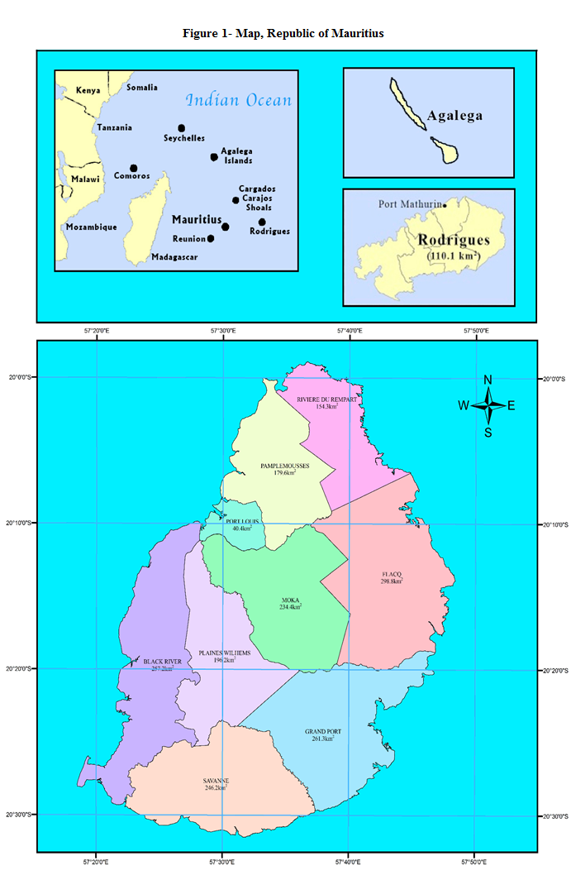

This is the nineteenth issue of the Digest of Environment Statistics, an annual publication of Statistics Mauritius.

Figure 2
Back to Table of Content

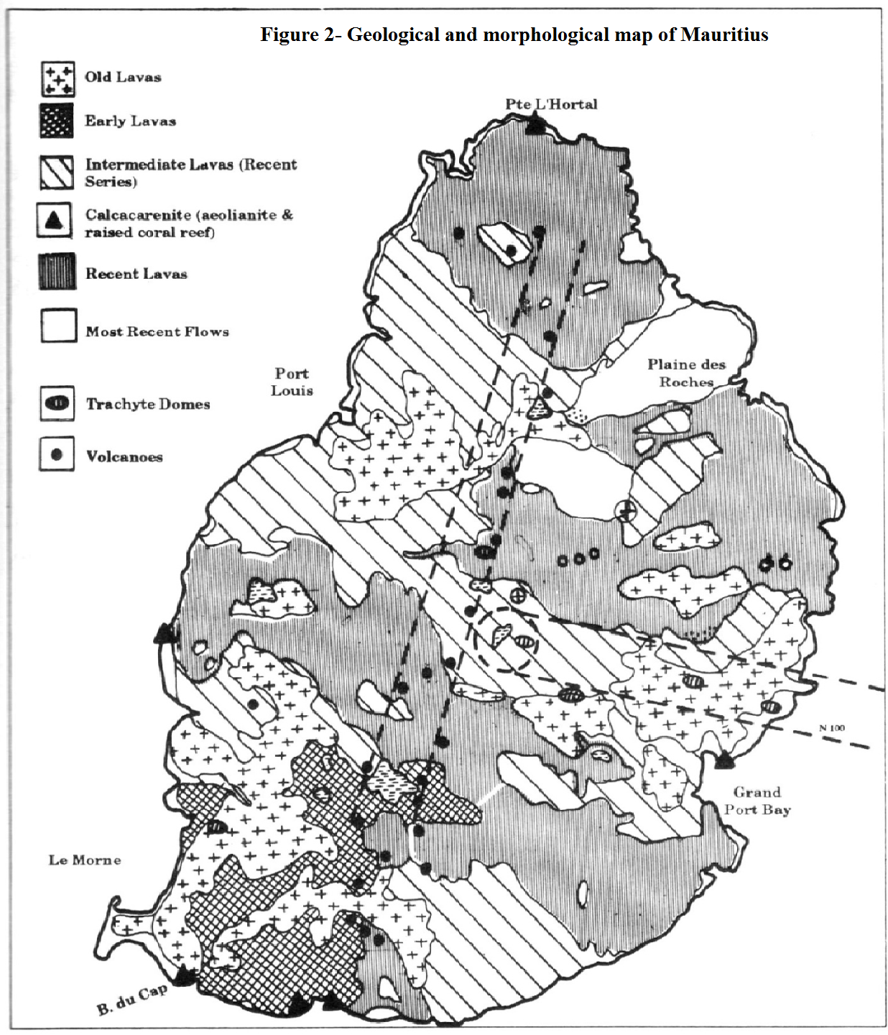

This is the nineteenth issue of the Digest of Environment Statistics, an annual publication of Statistics Mauritius.

Source: Mauritius A Geomorphological Analysis Report

Figure 3
Back to Table of Content
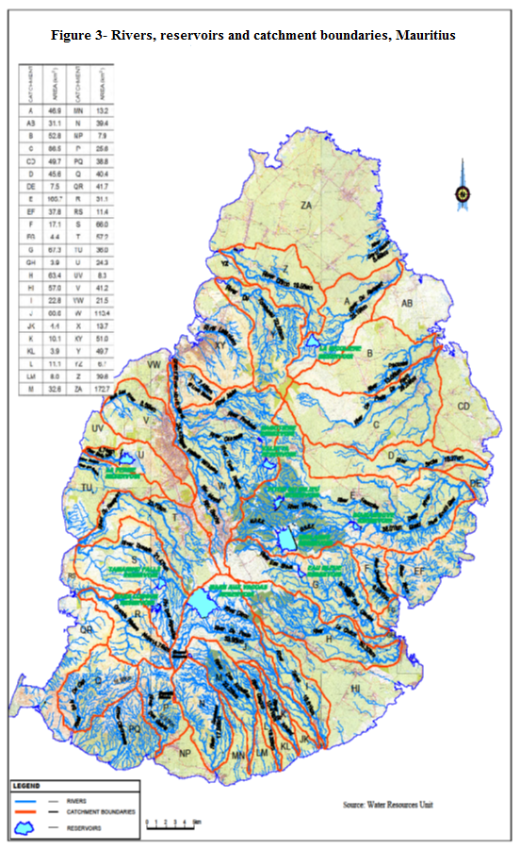

This is the nineteenth issue of the Digest of Environment Statistics, an annual publication of Statistics Mauritius.

Source: Water Resources Unit

Figure 4
Back to Table of Content

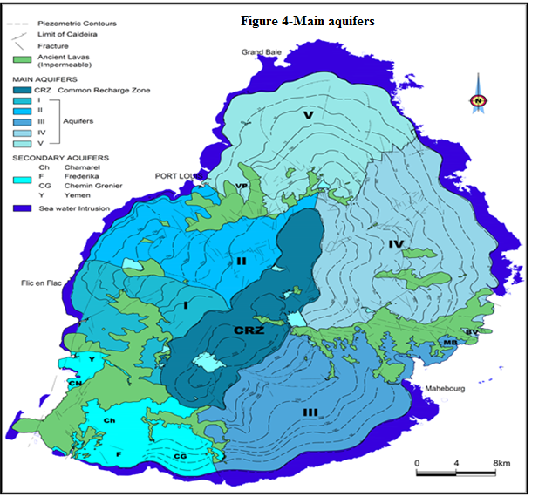

Five main aquifers :
I. The aquifer of Curepipe/Vacoas/Flic-en-Flac commonly known as the Curepipe aquifer.
II. Aquifer of Phoenix/Beau-Bassin/Albion –Moka/Coromandel.
III. Aquifer of Nouvelle France/Rose-Belle/Plaisance.
IV. Aquifer of Nouvelle Decouverte/Plaine des Roches/Trou d’eau Douce.
V. Aquifer of Northern Plains.
Secondary aquifers :
Aquifer of CheminGrenier/Frederica (CG/F)
Aquifer of Chamarel (Ch)
Alluvial aquifers of Grande Riviere Noire/Sud Yemen (Y) and Vallee des Pretres (VP)
Fractured aquifers at Chamarel (Ch) and BambousVirieux (BV)
Carbonated aquifers such as: Mt Bambous (MB) and West of Case Noyale (CN).
Source: Water Resources Unit

Figure 5
Back to Table of Content
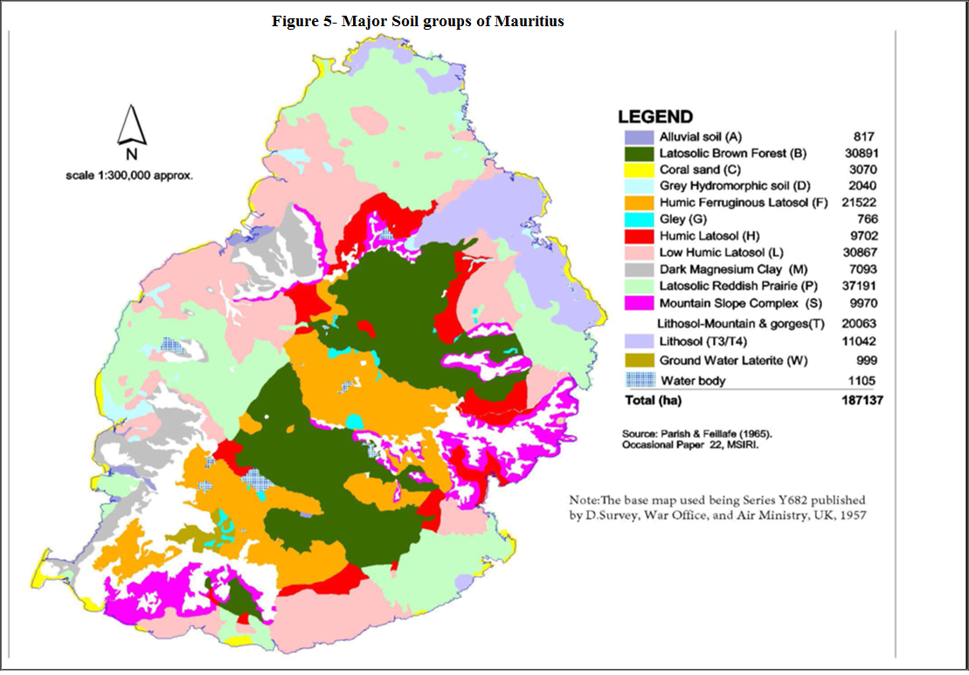

This is the nineteenth issue of the Digest of Environment Statistics, an annual publication of Statistics Mauritius.

Figure 6
Back to Table of Content

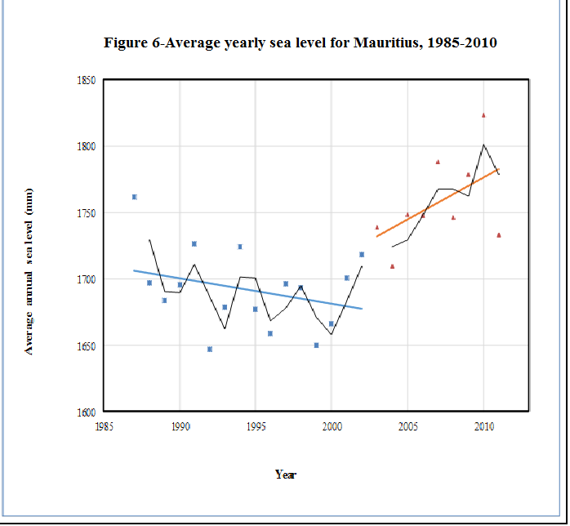

This is the nineteenth issue of the Digest of Environment Statistics, an annual publication of Statistics Mauritius.

Source: Third National Communication, United Nations Framework Convention on Climate Change, October 2016, Ministry of Environment, Sustainable Development and Beach Management
Note: The data series are divided into the period when sea level is decreasing (square) and when it is increasing (triangle).

Figure 7
Back to Table of Content
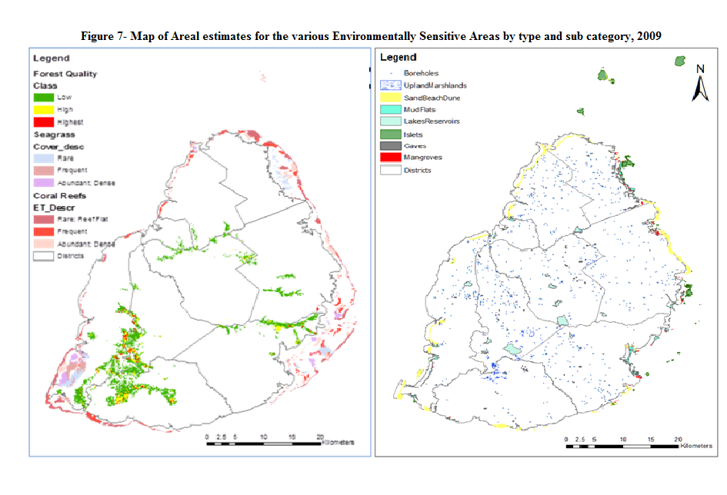

This is the nineteenth issue of the Digest of Environment Statistics, an annual publication of Statistics Mauritius.

Source: Environmentally Sensitive Areas and Classification Report, Ministry of Social Security, National Solidarity, and Environment and Sustainable Development (Environment and Sustainable Development Division), Republic of Mauritius, 2009

Figure 8
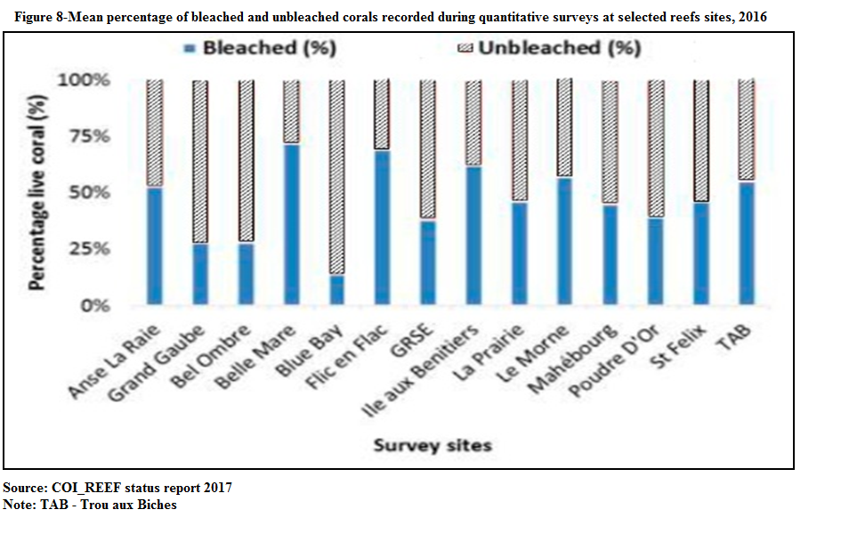
Back to Table of Content

This is the nineteenth issue of the Digest of Environment Statistics, an annual publication of Statistics Mauritius.

Table 3
Back to Table of Content
Table 3 - Monthly mean temperature, 2015 - 2024
 |  |  |  |  |  |  |  |  |  |  |  |  |  |  |  |  |  |  |  |  |  |  |  | Degrees celcius
Month
 | Jan |  | Feb |  | Mar |  | Apr |  | May |  | Jun |  | Jul |  | Aug |  | Sept |  | Oct |  | Nov |  | Dec |  | Mean annual Temperature
 | LTM1
 | LTM 1 (26.1) |  | LTM (26.2) |  | LTM (25.8) |  | LTM (24.9) |  | LTM (23.2) |  | LTM (21.4) |  | LTM (20.6) |  | LTM (20.7) |  | LTM (21.3) |  | LTM (22.3) |  | LTM (23.9) |  | LTM (25.3) |  | LTM (23.5)
Year
 | Mean | Difference from LTM | Mean | Difference from LTM | Mean | Difference from LTM | Mean | Difference from LTM | Mean | Difference from LTM | Mean | Difference from LTM | Mean | Difference from LTM | Mean | Difference from LTM | Mean | Difference from LTM | Mean | Difference from LTM | Mean | Difference from LTM | Mean | Difference from LTM | Mean | Difference from LTM
2015 | 26.4 | 0.3 | 26.2 | 0.0 | 26.0 | 0.2 | 25.3 | 0.4 | 24.0 | 0.8 | 22.7 | 1.3 | 21.5 | 0.9 | 21.6 | 0.9 | 22.1 | 0.8 | 23.7 | 1.4 | 24.5 | 0.6 | 26.7 | 1.4 | 24.2 | 0.7
2016 | 27.1 | 1.0 | 27.1 | 0.9 | 26.9 | 1.1 | 26.0 | 1.1 | 23.2 | 0.0 | 21.7 | 0.3 | 20.9 | 0.3 | 21.5 | 0.8 | 21.2 | -0.1 | 23.3 | 1.0 | 24.5 | 0.6 | 25.3 | 0.0 | 24.1 | 0.6
2017 | 26.7 | 0.6 | 26.7 | 0.5 | 27.1 | 1.3 | 26.1 | 1.2 | 24.2 | 1.0 | 22.8 | 1.4 | 22.5 | 1.9 | 22.2 | 1.5 | 22.6 | 1.3 | 23.8 | 1.5 | 24.7 | 0.8 | 26.5 | 1.2 | 24.7 | 1.2
2018 | 26.5 | 0.4 | 27.0 | 0.8 | 26.7 | 0.9 | 25.6 | 0.7 | 24.0 | 0.8 | 22.6 | 1.2 | 21.2 | 0.6 | 22.0 | 1.3 | 22.7 | 1.4 | 23.3 | 1.0 | 25.3 | 1.4 | 26.2 | 0.9 | 24.4 | 0.9
2019 | 27.1 | 1.0 | 26.8 | 0.6 | 27.0 | 1.2 | 26.2 | 1.3 | 23.7 | 0.5 | 22.3 | 0.9 | 21.8 | 1.2 | 21.9 | 1.2 | 22.1 | 0.8 | 23.5 | 1.2 | 25.1 | 1.2 | 26.6 | 1.3 | 24.5 | 1.0
2020 | 26.4 | 0.3 | 26.5 | 0.3 | 26.4 | 0.6 | 25.0 | 0.1 | 23.3 | 0.1 | 21.8 | 0.4 | 21.0 | 0.4 | 20.8 | 0.1 | 21.6 | 0.3 | 23.5 | 1.2 | 23.8 | -0.1 | 25.9 | 0.6 | 23.8 | 0.3
 | LTM 2: Long term mean, 1991-2020
 | LTM (26.3) |  | LTM (26.4) |  | LTM (26.0) |  | LTM (25.1) |  | LTM (23.4) |  | LTM (21.7) |  | LTM (20.9) |  | LTM (20.9) |  | LTM (21.5) |  | LTM (22.7) |  | LTM (24.1) |  | LTM (25.6) |  | LTM (23.7)
2021 | 26.4 | 0.1 | 26.7 | 0.3 | 26.5 | 0.5 | 25.7 | 0.6 | 24.0 | 0.6 | 22.1 | 0.4 | 21.0 | 0.1 | 20.7 | -0.2 | 21.4 | -0.1 | 22.8 | 0.1 | 24.4 | 0.3 | 25.7 | 0.1 | 23.9 | 0.2
2022 | 26.2 | -0.1 | 26.3 | -0.1 | 26.6 | 0.6 | 25.4 | 0.3 | 23.5 | 0.1 | 21.2 | -0.5 | 20.3 | -0.6 | 20.7 | -0.2 | 21.3 | -0.2 | 22.1 | -0.6 | 23.2 | -0.9 | 24.7 | -0.9 | 23.5 | -0.2
2023 | 25.0 | -1.3 | 25.9 | -0.5 | 25.6 | -0.4 | 24.8 | -0.3 | 23.9 | 0.5 | 22.0 | 0.3 | 21.5 | 0.6 | 21.8 | 0.9 | 22.6 | 1.1 | 23.8 | 1.1 | 24.6 | 0.5 | 25.6 | 0.0 | 23.9 | 0.2
2024 | 26.9 | 0.6 | 26.5 | 0.1 | 26.1 | 0.1 | 25.7 | 0.6 | 24.0 | 0.4 | 22.5 | 0.8 | 21.0 | 0.4 | 21.3 | 0.4 | 22.0 | 0.8 | 23.4 | 0.7 | 25.0 | 1.1 | 25.9 | 0.3 | 24.0 | 0.6
Source: Mauritius Meteorological Services
LTM 1 - Long Term Mean , 1981 - 2010
LTM 2 - Long Term Mean , 1991 - 2020

Table 4
Back to Table of Content
Table 4 - Monthly mean maximum temperature, 2015 - 2024
 |  |  |  |  |  |  |  |  |  |  |  |  |  |  |  |  |  |  |  |  |  |  |  | Degrees celcius
Month
 | Jan |  | Feb |  | Mar |  | Apr |  | May |  | Jun |  | Jul |  | Aug |  | Sept |  | Oct |  | Nov |  | Dec |  | Mean of maximum annual temperature
 | LTM1
 | LTM 1 (29.8) |  | LTM (29.8) |  | LTM (29.4) |  | LTM (28.6) |  | LTM (27.0) |  | LTM (25.2) |  | LTM (24.3) |  | LTM (24.4) |  | LTM (25.3) |  | LTM (26.2) |  | LTM (28.1) |  | LTM (29.3) |  | LTM (27.3)
Year
 | Mean | Difference from LTM | Mean | Difference from LTM | Mean | Difference from LTM | Mean | Difference from LTM | Mean | Difference from LTM | Mean | Difference from LTM | Mean | Difference from LTM | Mean | Difference from LTM | Mean | Difference from LTM | Mean | Difference from LTM | Mean | Difference from LTM | Mean | Difference from LTM | Mean | Difference from LTM
2015 | 29.5 | -0.3 | 29.7 | -0.1 | 29.6 | 0.2 | 29.2 | 0.6 | 27.6 | 0.6 | 25.8 | 0.6 | 25.1 | 0.8 | 25.3 | 0.9 | 26.2 | 0.9 | 27.4 | 1.2 | 28.5 | 0.4 | 30.6 | 1.3 | 27.9 | 0.6
2016 | 30.9 | 1.1 | 30.3 | 0.5 | 30.5 | 1.1 | 29.5 | 0.9 | 26.9 | -0.1 | 25.1 | -0.1 | 24.1 | -0.2 | 24.9 | 0.5 | 25.0 | -0.3 | 27.4 | 1.2 | 28.6 | 0.5 | 29.3 | 0.0 | 27.7 | 0.4
2017 | 30.7 | 0.9 | 30.4 | 0.6 | 30.4 | 1.0 | 29.6 | 1.0 | 27.4 | 0.4 | 26.3 | 1.1 | 25.8 | 1.5 | 25.7 | 1.3 | 26.4 | 1.1 | 27.8 | 1.6 | 28.5 | 0.4 | 30.7 | 1.4 | 28.3 | 1.0
2018 | 29.7 | -0.1 | 30.7 | 0.9 | 30.0 | 0.6 | 29.1 | 0.5 | 27.8 | 0.8 | 26.4 | 1.2 | 24.8 | 0.5 | 26.0 | 1.6 | 26.5 | 1.2 | 27.6 | 1.5 | 29.2 | 1.1 | 30.1 | 0.8 | 28.2 | 0.9
2019 | 30.8 | 1.0 | 30.6 | 0.8 | 31.2 | 1.8 | 29.7 | 1.1 | 27.4 | 0.4 | 25.5 | 0.3 | 25.2 | 0.9 | 25.5 | 1.1 | 26.1 | 0.8 | 27.5 | 1.3 | 29.1 | 1.0 | 30.4 | 1.1 | 28.2 | 0.9
2020 | 29.8 | 0.0 | 30.0 | 0.2 | 29.7 | 0.3 | 28.6 | 0.0 | 27.3 | 0.3 | 25.0 | -0.2 | 24.4 | 0.1 | 24.5 | 0.1 | 25.4 | 0.1 | 27.5 | 1.3 | 28.0 | -0.1 | 29.5 | 0.2 | 27.5 | 0.2
 | LTM2
 | LTM 2 (30.0) |  | LTM (30.0) |  | LTM (29.6) |  | LTM (29.0) |  | LTM (27.1) |  | LTM (25.0) |  | LTM (24.5) |  | LTM (24.6) |  | LTM (25.5) |  | LTM (27.0) |  | LTM (28.3) |  | LTM (30.0) |  | LTM (27.5)
2021 | 30.3 | 0.3 | 30.5 | 0.5 | 30.6 | 1.0 | 29.0 | 0.3 | 27.4 | 0.3 | 25.3 | 0.0 | 24.3 | -0.2 | 24.5 | -0.1 | 25.0 | -0.5 | 26.5 | -0.3 | 28.9 | 0.6 | 29.8 | 0.2 | 27.7 | 0.2
2022 | 30.0 | 0.0 | 29.7 | -0.3 | 30.3 | 0.7 | 28.8 | 0.1 | 27.4 | 0.3 | 25.1 | -0.2 | 23.9 | -0.6 | 24.8 | 0.2 | 25.1 | -0.4 | 26.5 | -0.3 | 27.9 | -0.4 | 28.8 | 0.8 | 27.4 | -0.1
2023 | 28.3 | -1.7 | 29.5 | -0.5 | 29.1 | -0.5 | 29.2 | 0.2 | 27.7 | 0.6 | 25.7 | 0.7 | 25.1 | 0.6 | 25.2 | 0.6 | 26.2 | 0.7 | 27.8 | 0.8 | 28.3 | 0.0 | 29.4 | -0.6 | 27.6 | 0.1
2024 | 30.4 | 0.4 | 30.1 | 0.1 | 29.2 | -0.4 | 29.2 | 0.5 | 26.9 | -0.2 | 25.9 | 0.6 | 25.6 | 1.1 | 25.6 | 0.7 | 25.3 | 0.8 | 26.3 | 0.4 | 29.0 | 0.7 | 29.8 | 0.2 | 27.9 | 0.4
Source: Mauritius Meteorological Services
1 LTM: Long term mean, 1981-2010
2 LTM: Long term mean, 1991-2020

Table 5
Back to Table of Content
Table 5 - Monthly mean minimum temperature, 2015- 2024
 |  |  |  |  |  |  |  |  |  |  |  |  |  |  |  |  |  |  |  | Degrees celcius
Month
 | Jan |  | Feb |  | Mar |  | Apr |  | May |  | Aug |  | Sept |  | Oct |  | Nov |  | Dec |  | Mean of minimum annual temperature
 | LTM1
 | LTM 1 (22.3) |  | LTM (22.6) |  | LTM (22.1) |  | LTM (21.2) |  | LTM (19.4) |  | LTM (16.9) |  | LTM (17.2) |  | LTM (18.3) |  | LTM (19.6) |  | LTM (21.2) |  | LTM (19.6)
Year
 | Mean | Difference from LTM | Mean | Difference from LTM | Mean | Difference from LTM | Mean | Difference from LTM | Mean | Difference from LTM | Mean | Difference from LTM | Mean | Difference from LTM | Mean | Difference from LTM | Mean | Difference from LTM | Mean | Difference from LTM | Mean | Difference from LTM
2015 | 23.4 | 1.1 | 22.6 | 0.0 | 22.4 | 0.3 | 21.5 | 0.3 | 20.3 | 0.9 | 17.8 | 0.9 | 18.1 | 0.9 | 20.0 | 1.7 | 20.6 | 1.0 | 22.8 | 1.6 | 20.6 | 1.0
2016 | 23.3 | 1.0 | 23.9 | 1.3 | 23.3 | 1.2 | 22.5 | 1.3 | 19.5 | 0.1 | 18.1 | 1.2 | 17.4 | 0.2 | 19.1 | 0.8 | 20.3 | 0.7 | 21.2 | 0.0 | 20.4 | 0.8
2017 | 22.6 | 0.3 | 22.9 | 0.3 | 23.7 | 1.6 | 22.6 | 1.4 | 21.0 | 1.6 | 18.7 | 1.8 | 18.7 | 1.5 | 19.8 | 1.5 | 20.9 | 1.3 | 22.2 | 1.0 | 21.0 | 1.4
2018 | 23.3 | 1.0 | 23.3 | 0.7 | 23.4 | 1.3 | 22.1 | 0.9 | 20.2 | 0.8 | 18.0 | 1.1 | 18.9 | 1.7 | 18.9 | 0.6 | 21.4 | 1.8 | 22.3 | 1.1 | 20.7 | 1.1
2019 | 23.5 | 1.2 | 23.0 | 0.4 | 22.9 | 0.8 | 22.6 | 1.4 | 20.1 | 0.7 | 18.2 | 1.3 | 18.1 | 0.9 | 19.5 | 1.2 | 21.0 | 1.4 | 22.9 | 1.7 | 20.8 | 1.2
2020 | 22.9 | 0.6 | 23.0 | 0.4 | 23.0 | 0.9 | 21.3 | -0.2 | 19.2 | -0.2 | 17.1 | 0.1 | 17.8 | 0.8 | 19.4 | 1.1 | 19.6 | 0.0 | 22.4 | 0.8 | 20.2 | 0.6
 | LTM2
 | LTM 2 (22.6) |  | LTM (22.9) |  | LTM (22.4) |  | LTM (21.5) |  | LTM (19.6) |  | LTM (17.3) |  | LTM (17.5) |  | LTM (19.0) |  | LTM (19.9) |  | LTM (21.6) |  | LTM (20.0)
2021 | 22.6 | 0.0 | 22.8 | -0.1 | 22.4 | 0.0 | 22.3 | 0.8 | 20.5 | 0.9 | 16.9 | -0.4 | 17.8 | 0.3 | 19.1 | 0.1 | 20.0 | 0.1 | 21.6 | 0.0 | 20.2 | 0.2
2022 | 22.3 | -0.3 | 23.0 | 0.1 | 22.8 | 0.4 | 22.1 | 0.6 | 19.6 | 0.0 | 16.6 | -0.7 | 17.4 | -0.1 | 17.8 | -0.9 | 18.4 | -1.5 | 20.6 | -1.0 | 19.5 | -0.5
2023 | 21.7 | -0.9 | 22.3 | -0.6 | 22.2 | -0.2 | 21.8 | 0.3 | 20.1 | 0.5 | 18.0 | 0.7 | 19.0 | 1.5 | 19.7 | 0.7 | 21.0 | 1.1 | 21.9 | 0.3 | 20.4 | 0.4
2024 | 23.5 | 0.9 | 22.8 | 0.0 | 23.0 | 0.5 | 22.3 | 0.7 | 20.7 | 1.1 | 17.3 | 0.1 | 18.4 | 0.9 | 19.5 | 1.0 | 21.4 | 1.5 | 22.0 | 0.4 | 20.6 | 0.6
Source: Mauritius Meteorological Services
1 LTM: Long term mean, 1981-2010
2 LTM: Long term mean, 1991-2020

Table 22
199
Back to Table of Content
Table 22 - Forest area by category, 2015 - 2024
 |  |  |  |  |  |  |  |  |  | Hectares
Category | 2015 | 2016 | 2017 | 2018 | 2019 | 2020 | 2021 | 2022 | 2023 | 2024

State - owned | 22,069 | 22,066 | 22,066 | 22,048 | 22,031 | 22,011 | 22,006 | 22,002 | 21,997 | 22,012
Plantations | 11,804 | 11,798 | 11,802 | 11,799 | 11,799 | 11,779 | 11,774 | 11,771 | 11,763 | 11,768
Nature reserves | 799 | 799 | 799 | 799 | 799 | 799 | 799 | 799 | 799 | 799
on mainland | 200 | 200 | 200 | 200 | 200 | 200 | 200 | 200 | 200 | 200
islets | 599 | 599 | 599 | 599 | 599 | 599 | 599 | 599 | 599 | 599
Black River Gorges National Park | 6,574 | 6,574 | 6,574 | 6,574 | 6,574 | 6,574 | 6,574 | 6,574 | 6,574 | 6,574
Bras D'Eau National Park 1 | 497 | 497 | 497 | 497 | 497 | 497 | 497 | 497 | 497 | 497
Special Reserves 2 | 134 | 134 | 136 | 136 | 136 | 136 | 136 | 136 | 136 | 136
Vallée d' Osterlog Endemic Garden | 275 | 275 | 275 | 275 | 275 | 275 | 275 | 275 | 275 | 275
Ramsar sites | 46 | 46 | 46 | 46 | 46 | 46 | 46 | 46 | 46 | 46
Rivulet Terre Rouge Bird Sanctuary | 26 | 26 | 26 | 26 | 26 | 26 | 26 | 26 | 26 | 26
Pointe D'Esny Wetland | 20 | 20 | 20 | 20 | 20 | 20 | 20 | 20 | 20 | 20
Other forest lands | 1,315 | 1,320 | 1,314 | 1,316 | 1,316 | 1,316 | 1,316 | 1,316 | 1,316 | 1,316
Pas Geometriques | 625 | 623 | 623 | 606 | 589 | 589 | 589 | 588 | 591 | 601
Plantations | 216 | 214 | 214 | 214 | 197 | 197 | 197 | 196 | 199 | 209
Leased for grazing and tree planting | 230 | 230 | 230 | 230 | 230 | 230 | 230 | 230 | 230 | 230
Others (mostly rocky) | 179 | 179 | 179 | 162 | 162 | 162 | 162 | 162 | 162 | 162

Privately - owned lands 3 | 25,000 | 25,000 | 25,000 | 25,000 | 25,000 | 25,000 | 25,000 | 25,000 | 20,000 5 | 20,000
Reserves | 6,553 | 6,553 | 6,553 | 6,553 | 6,553 | 6,553 | 6,553 | 6,553 | 6,553 | 6,553
Mountain reserves | 3,800 | 3,800 | 3,800 | 3,800 | 3,800 | 3,800 | 3,800 | 3,800 | 3,800 | 3,800
River reserves | 2,740 | 2,740 | 2,740 | 2,740 | 2,740 | 2,740 | 2,740 | 2,740 | 2,740 | 2,740
Private reserves | 13 | 13 | 13 | 13 | 13 | 13 | 13 | 13 | 13 | 13
Other 4 | 18,447 | 18,447 | 18,447 | 18,447 | 18,447 | 18,447 | 18,447 | 18,447 | 13,447 | 13,447
Total | 47,069 | 47,066 | 47,066 | 47,048 | 47,031 | 47,011 | 47,006 | 47,002 | 41,997 | 42,012
Of which protected forest (state-owned) | 8,325 | 8,325 | 8,327 | 8,327 | 8,327 | 8,327 | 8,327 | 8,327 | 8,327 | 8,327
Of which protected forest (privately-owned) | 6,540 | 6,540 | 6,540 | 6,540 | 6,540 | 6,540 | 6,540 | 6,540 | 6,540 | 6,540
Source : Forestry Service, Minister of Agro-Industry, Food Security, Blue Economy and Fisheries
1 Bras D'Eau National Park was proclaimed in 2011. From 2002 to 2010, it was known as Bras D'Eau & Poste La Fayette Reserves.
2 "Islet National Parks" renamed as "Special Reserves" as per the Native Terrestrial Biodiversity & National Parks Act of 2015
3 Current figures for privately-owned lands are crude estimates based on expert knowledge from Forestry Service.
4 Includes plantations, forest lands, scrub and grazing lands.
5 As per remote sensing survey effected by the Global Forest Resources Assessment (FRA) and the United Nations Commission to Combat Desertification (UNCCD), using Sentinel and Landsat satelllite imagery,
the total area of privately-owned forest lands is now estimated at 20,000 ha as at 2023. It is worthy to note that this decline from 25,000 ha to 20,000 ha occurred gradually over the last 15 years.

Table 83
Back to Table of Content
Table 83 - Respiratory diseases registered in government hospitals, 2015 - 2024
 |  |  |  |  |  |  |  |  |  |  |  | Number
Year | General hospital discharges ( including deaths ) |  |  | First attendances at regional health centres |  |  | Discharges ( including deaths ) at Poudre D'Or chest hospital |  |  | New cases diagnosed at specialist clinics in chest diseases
 | Male | Female | Both sexes | Male | Female | Both sexes | Male | Female | Both sexes | Male | Female | Both sexes
2015 | 8,025 | 8,006 | 16,031 | 272,745 | 289,430 | 562,175 | 423 | 232 | 655 | 653 | 561 | 1,214
2016 | 8,251 | 8,857 | 17,108 | 308,894 | 327,747 | 636,641 | 297 | 162 | 459 | 591 | 574 | 1,165
2017 | 7,463 | 7,843 | 15,309 | 311,044 | 323,619 | 634,663 | 318 | 174 | 492 | 452 | 415 | 867
2018 | 7,782 | 8,578 | 16,360 | 317,405 | 337,326 | 654,731 | 315 | 220 | 535 | 620 | 550 | 1,170
2019 | 7,739 | 8,827 | 16,566 | 280,399 | 291,870 | 572,269 | 348 | 183 | 531 | 455 | 444 | 899
2020 | NA | NA | NA | 208,129 | 212,166 | 420,295 | 267 | 139 | 406 | 507 | 370 | 877
2021 | 4,022 | 3,778 | 7,800 | 196,516 | 205,058 | 401,574 | 160 | 82 | 242 | 415 | 349 | 764
2022 | 5,813 | 5,739 | 11,552 | 246,127 | 253,403 | 499,530 | 184 | 92 | 276 | 398 | 357 | 755
1
1
1
2023 | 6,174 | 6,747 | 12,921 | 276,774 | 286,591 | 563,365 | 213 | 131 | 344 | 325 | 303 | 628
2024 | 5,870 | 6,388 | 12,258 | 284,246 | 292,997 | 577,243 | 232 | 146 | 378 | 281 | 234 | 515

Source : Statistics Unit, Ministry of Health and Wellness
1 Revised

Table 85, Table 86
Back to Table of Content
Table 85- Cases of asthma treated as in-patients in government hospitals, 2015- 2024
 |  |  | Number
Year | In-Patients
 | Male | Female | Total
2015 | 1,061 (44.8%) | 1,305 (55.2%) | 2,366
2016 | 835 (40.1%) | 1,246 (59.9%) | 2,081
2017 | 859 (43.2%) | 1,128(56.8%) | 1,987
2018 | 772 (37.5%) | 1,288 (62.5%) | 2,060
2019 | 835 (39.4%) | 1,284 (60.6%) | 2,119
2020 | NA | NA | NA
2021 | 422 (45.7%) | 502 (54.3%) | 924
1
2022 | 535(40.4%) | 790(59.6%) | 1,325
2023 | 625(39.1%) | 972(60.9%) | 1,597
2024 | 535(38.4%) | 860(61.6% | 1,395
Source : Statistics Unit, Ministry of Health and Wellness
1 Revised
Back to Table of Content
Table 86 - Deaths registered due to asthma, 2015 - 2024
 |  |  | Number
Year | Deaths
 | Male | Female | Total
2015 | 49 | 37 | 86
2016 | 29 | 42 | 71
2017 | 53 | 46 | 99
2018 | 45 | 55 | 100
2019 | 43 | 56 | 99
2020 | 38 | 30 | 68
2021 | 41 | 27 | 68
2022 | 34 | 35 | 69
2023 | 18 | 28 | 46
2024 | 33 | 44 | 77
Source : Statistics Unit, Ministry of Health and Wellness

Table 87
Back to Table of Content
Table 87- Cases of asthma treated as in-patients in government hospitals by age group and sex, 2023- 2024
Age group ( years ) | Number of cases
1
1
1
 | Male |  | Female |  | Total
 | 2023 | 2024 | 2023 | 2024 | 2023 | 2024
Less than one year | 1 | 1 | 2 | 3 | 3 | 4
1 - 4 | 16 | 13 | 27 | 10 | 43 | 23
5 - 9 | 44 | 38 | 24 | 31 | 68 | 69
10 - 14 | 31 | 33 | 32 | 27 | 63 | 60
15 - 19 | 25 | 21 | 39 | 34 | 64 | 55
20 - 24 | 31 | 24 | 36 | 44 | 67 | 68
25 - 29 | 40 | 14 | 31 | 35 | 71 | 49
30 - 34 | 26 | 19 | 30 | 34 | 56 | 53
35 - 39 | 27 | 21 | 35 | 24 | 62 | 45
40 - 44 | 35 | 19 | 53 | 34 | 88 | 53
45 - 49 | 19 | 18 | 63 | 46 | 82 | 64
50 - 54 | 37 | 25 | 73 | 61 | 110 | 86
55 - 59 | 62 | 59 | 77 | 60 | 139 | 119
60 - 64 | 56 | 58 | 78 | 101 | 134 | 159
65 - 69 | 56 | 69 | 114 | 73 | 170 | 142
70 - 74 | 54 | 55 | 116 | 92 | 170 | 147
75 - 79 | 31 | 22 | 77 | 85 | 108 | 107
80 - 84 | 17 | 15 | 41 | 33 | 58 | 48
85 and over | 17 | 11 | 24 | 33 | 41 | 44
Total | 625 | 535 | 972 | 860 | 1597 | 1395
Source : Statistics Unit, Ministry of Health and Wellness
1 Revised

Table 88
Back to Table of Content
Table 88- Enteritis and other diarrhoeal diseases, 2015- 2024
 |  |  |  |  |  |  |  |  |  | Number
Year | Cases treated as in-patients in government hospitals |  |  |  |  | Deaths in whole island
 | Under one Year | 1 - 4 Years | 5 - 14 Years | 15 Years and over | Total | Under one Year | 1 - 4 Years | 5 - 14 Years | 15 Years and over | Total
2015 | 368 | 973 | 862 | 3,652 | 5,855 | 1 | 1 | 0 | 12 | 14
2016 | 265 | 910 | 680 | 3,571 | 5,426 | 1 | 1 | 0 | 14 | 16
2017 | 185 | 416 | 512 | 3,035 | 4,148 | 0 | 0 | 0 | 15 | 15
2018 | 154 | 474 | 515 | 3,351 | 4,494 | 0 | 1 | 0 | 17 | 18
2019 | 176 | 434 | 527 | 3,316 | 4,453 | 0 | 0 | 1 | 20 | 21
2020 | NA | NA | NA | NA | NA | 0 | 1 | 0 | 7 | 8
2021 | 123 | 325 | 294 | 1,721 | 2,463 | 0 | 0 | 0 | 3 | 3
2022 | 189 | 594 | 427 | 2,046 | 3,256 | 0 | 2 | 0 | 16 | 18
1
2023 | 191 | 348 | 379 | 2,341 | 3,259 | 0 | 1 | 0 | 24 | 25
2024 | 148 | 345 | 354 | 2,518 | 3,365 | 0 | 1 | 0 | 52 | 53
Source : Statistics Unit, Ministry of Health and Wellness
1 Revised

Table 89
Back to Table of Content
Table 89 - New cases of certain notifiable diseases reported to sanitary authorities, 2015 - 2024
 |  |  |  |  |  |  |  | Number
Disease | Water borne diseases | Food borne diseases |  | Mosquito borne diseases |  |  | Mammal borne disease
 | Amoebiasis (gastroenteritis) | Typhoid | Food poisoning | Malaria 1 | Dengue | Chickunguya | Leptospirosis
Year
2015 | 1 | 1 | 82 | 32 | 91 2 | 0 | 30
2016 | 0 | 2 | 147 | 25 | 24 2 | 7 | 17
2017 | 0 | 0 | 208 | 28 | 13 1 | 3 | 23
2018 | 0 | 4 | 65 | 41 | 6 1 | 1 | 18
2019 | 0 | 2 | 83 | 41 | 152 2 | 1 | 24
2020 | 0 | 0 | 58 | 12 | 228 3 | 0 | 23
2021 | 0 | 0 | 148 | 16 | 0 | 0 | 25
2022 | 0 | 0 | 108 | 40 | 14 1 | 0 | 18
2
1
2023 | 1 | 0 | 85 | 40 | 224 1 | 0 | 41
2024 | 0 | 0 | 70 | 40 | 7202 | 2 | 80
Source : Statistics Unit, Ministry of Health and Wellness
1 All imported/introduced cases
2 Including locally transmitted cases
3 Outbreak localised mostly in Port Louis

