FIG1
Back to Table of Contents
Figure 1 - Resident population by district - Republic of Mauritius, 2000 and 2011 Censuses
 | 1 | 1

FIG2
Back to Table of Contents
Figure 2 - Urban population by Municipal Council Area - Republic of Mauritius, 2000 and 2011 censuses
 | 1 | 1

FIG3
Back to Table of Contents

Male
Female

TAB2.3
Back to Table of Contents
Table 2.3 - Population and vital statistics rates1 - Republic of Mauritius2, Island of Mauritius and Island of Rodrigues 1983 - 2024

Year | Republic of Mauritius |  |  |  |  |  |  | Island of Mauritius |  |  |  |  |  | Island of Rodrigues 3
 | Population | Crude | Crude | Infant | Still | Marriage | Divorce | Population | Crude | Crude | Infant | Still | Marriage | Population | Crude | Crude | Infant | Still | Marriage
 | at mid-year | birth | death | mortality | birth | rate | rate | at mid-year | birth | death | mortality | birth | rate | at mid-year | birth | death | mortality | birth | rate
 |  | rate | rate | rate | rate |  |  |  | rate | rate | rate | rate |  |  | rate | rate | rate | rate
1983 | 1,001,691 | 21.0 | 6.5 | 27.0 | 18.8 | 20.5 | 0.7 | 968,609 | 20.6 | 6.5 | 25.6 | 18.6 | 20.8 | 33,082 | 34.7 | 6.4 | 51.6 | 17.1 | 11.8
1/
1/
1/
1/
1/
1/
1984 | 1,012,221 | 20.1 | 6.6 | 24.8 | 19.5 | 21.5 | 0.9 | 978,658 | 19.6 | 6.6 | 23.1 | 19.8 | 21.7 | 33,563 | 30.7 | 6.5 | 53.7 | 17.5 | 11.3
1985 | 1,020,528 | 19.0 | 6.8 | 25.1 | 19.4 | 22.0 | 0.9 | 986,520 | 18.8 | 6.8 | 23.8 | 19.5 | 22.5 | 34,008 | 28.5 | 6.1 | 51.9 | 18.2 | 11.8
1986 | 1,028,360 | 18.6 | 6.6 | 27.3 | 18.7 | 20.5 | 1.2 | 994,319 | 18.3 | 6.7 | 26.3 | 18.4 | 20.8 | 34,041 | 26.3 | 5.6 | 48.8 | 20.8 | 11.1
1987 | 1,036,082 | 19.3 | 6.5 | 25.2 | 17.8 | 22.0 | 1.6 | 1,001,607 | 19.1 | 6.6 | 24.2 | 17.6 | 22.4 | 34,475 | 26.2 | 5.2 | 42.4 | 23.4 | 11.2
1988 | 1,043,239 | 20.1 | 6.6 | 22.5 | 17.5 | 22.0 | 1.4 | 1,009,332 | 19.9 | 6.6 | 22.0 | 17.2 | 22.4 | 33,907 | 25.9 | 5.5 | 44.4 | 21.6 | 10.2
1989 | 1,051,260 | 20.8 | 6.8 | 22.8 | 18.7 | 21.3 | 1.4 | 1,017,307 | 20.6 | 6.8 | 21.6 | 18.7 | 21.7 | 33,953 | 25.1 | 5.5 | 40.7 | 21.5 | 9.8
1990 | 1,058,775 | 21.3 | 6.6 | 20.4 | 15.9 | 21.6 | 1.0 | 1,024,571 | 21.3 | 6.7 | 19.9 | 15.7 | 22.0 | 34,204 | 23.7 | 5.8 | 40.7 | 19.0 | 9.3
1991 | 1,070,266 | 20.7 | 6.6 | 18.6 | 17.7 | 21.1 | 1.3 | 1,035,936 | 20.7 | 6.6 | 18.1 | 17.7 | 21.5 | 34,330 | 22.3 | 5.3 | 30.9 | 15.4 | 9.4
1992 | 1,084,441 | 21.1 | 6.5 | 18.6 | 12.5 | 21.0 | 1.4 | 1,049,988 | 21.1 | 6.5 | 18.4 | 12.7 | 21.4 | 34,453 | 20.8 | 5.1 | 26.5 | 10.6 | 9.8
1993 | 1,097,374 | 20.3 | 6.8 | 19.6 | 14.9 | 21.1 | 1.4 | 1,062,855 | 20.4 | 6.8 | 19.6 | 15.1 | 21.4 | 34,519 | 20.7 | 4.7 | 22.0 | 5.6 | 10.8
1994 | 1,112,846 | 19.6 | 6.7 | 18.1 | 12.4 | 20.5 | 1.3 | 1,078,148 | 19.5 | 6.7 | 18.0 | 12.7 | 20.8 | 34,698 | 20.5 | 4.7 | 21.1 | 4.2 | 11.3
1995 | 1,122,457 | 18.3 | 6.7 | 19.7 | 14.3 | 18.9 | 1.4 | 1,087,636 | 18.2 | 6.7 | 19.6 | 14.8 | 19.2 | 34,821 | 20.9 | 4.8 | 20.6 | 3.2 | 11.4
1996 | 1,133,996 | 18.3 | 6.8 | 22.1 | 12.6 | 18.9 | 1.4 | 1,099,057 | 18.2 | 6.8 | 22.2 | 13.0 | 19.1 | 34,939 | 20.2 | 4.9 | 20.3 | 3.8 | 11.9
1997 | 1,148,284 | 17.4 | 7.0 | 20.3 | 12.7 | 19.0 | 1.6 | 1,113,144 | 17.4 | 7.0 | 20.3 | 12.9 | 19.1 | 35,140 | 19.8 | 5.1 | 18.7 | 5.7 | 12.9
1998 | 1,160,421 | 16.7 | 6.8 | 19.3 | 11.5 | 18.8 | 1.7 | 1,125,118 | 16.7 | 6.8 | 19.4 | 11.7 | 18.9 | 35,303 | 20.2 | 5.0 | 21.5 | 7.9 | 13.3
1999 | 1,175,267 | 17.3 | 6.8 | 19.5 | 11.0 | 19.2 | 2.0 | 1,139,718 | 17.1 | 6.8 | 19.2 | 11.1 | 19.4 | 35,549 | 21.2 | 4.8 | 21.6 | 7.0 | 13.4
2000 | 1,186,873 | 17.0 | 6.7 | 15.9 | 13.0 | 18.5 | 2.0 | 1,151,094 | 16.9 | 6.8 | 15.8 | 13.4 | 18.6 | 35,779 | 22.2 | 5.1 | 23.5 | 8.3 | 12.8
2001 | 1,196,287 | 16.5 | 6.7 | 14.3 | 12.2 | 17.8 | 2.5 | 1,160,083 | 16.3 | 6.7 | 13.9 | 12.2 | 18.0 | 36,204 | 22.4 | 5.8 | 22.2 | 7.7 | 12.8
2002 | 1,204,621 | 16.6 | 6.9 | 14.9 | 10.1 | 17.4 | 2.1 | 1,167,995 | 16.4 | 6.9 | 14.5 | 10.2 | 17.6 | 36,626 | 22.3 | 6.0 | 23.7 | 12.5 | 12.9
2003 | 1,213,370 | 15.9 | 7.0 | 12.9 | 11.2 | 17.8 | 2.0 | 1,176,323 | 15.7 | 7.1 | 12.4 | 10.9 | 17.9 | 37,047 | 23.2 | 5.9 | 23.2 | 17.1 | 13.2
2004 | 1,221,003 | 15.7 | 6.9 | 14.4 | 9.8 | 18.6 | 1.9 | 1,183,533 | 15.4 | 7.0 | 14.0 | 9.1 | 18.8 | 37,470 | 23.7 | 5.8 | 19.5 | 18.8 | 12.8
2005 | 1,228,254 | 15.3 | 7.0 | 13.2 | 9.7 | 18.4 | 1.8 | 1,190,361 | 15.1 | 7.1 | 13.2 | 9.6 | 18.6 | 37,893 | 23.9 | 6.0 | 20.6 | 17.3 | 11.9
2006 | 1,233,996 | 14.3 | 7.4 | 14.1 | 8.3 | 18.6 | 2.2 | 1,195,676 | 14.0 | 7.5 | 13.5 | 8.0 | 18.8 | 38,320 | 22.8 | 5.6 | 18.3 | 14.7 | 10.7
2007 | 1,239,630 | 13.7 | 6.9 | 15.3 | 10.0 | 18.6 | 2.1 | 1,200,887 | 13.5 | 6.9 | 15.3 | 9.6 | 18.9 | 38,743 | 21.6 | 5.4 | 19.9 | 13.0 | 10.0
2008 | 1,244,121 | 13.2 | 7.2 | 14.4 | 10.0 | 18.0 | 2.5 | 1,204,955 | 12.9 | 7.3 | 14.3 | 10.1 | 18.3 | 39,166 | 20.0 | 5.3 | 15.3 | 11.0 | 9.3
2009 | 1,247,429 | 12.3 | 7.4 | 13.4 | 8.9 | 17.0 | 3.5 | 1,207,842 | 12.1 | 7.4 | 13.3 | 9.0 | 17.3 | 39,587 | 18.7 | 5.8 | 14.9 | 8.5 | 9.1
2010 | 1,250,400 | 12.0 | 7.3 | 12.5 | 6.8 | 16.9 | 2.9 | 1,210,391 | 11.8 | 7.3 | 12.4 | 6.6 | 17.1 | 40,009 | 17.8 | 5.8 | 15.0 | 7.4 | 8.7
2011 | 1,252,404 | 11.7 | 7.3 | 12.9 | 9.4 | 16.8 | 2.9 | 1,211,970 | 11.6 | 7.4 | 12.6 | 9.6 | 17.1 | 40,434 | 17.7 | 5.8 | 17.3 | 8.8 | 8.8
2012 | 1,251,602 | 11.6 | 7.5 | 13.7 | 9.6 | 16.6 | 3.2 | 1,210,784 | 11.4 | 7.5 | 13.4 | 9.5 | 16.8 | 40,818 | 17.4 | 5.5 | 15.5 | 6.5 | 8.7
2013 | 1,253,708 | 10.9 | 7.5 | 12.1 | 8.5 | 15.3 | 2.5 | 1,212,550 | 10.7 | 7.6 | 12.2 | 8.7 | 15.5 | 41,158 | 17.2 | 5.6 | 17.0 | 8.9 | 8.6
2014 | 1,255,126 | 10.7 | 7.7 | 14.5 | 10.2 | 15.9 | 3.6 | 1,213,894 | 10.5 | 7.8 | 14.1 | 10.1 | 16.1 | 41,232 | 16.7 | 5.7 | 14.0 | 8.6 | 8.2
2015 | 1,256,135 | 10.1 | 7.8 | 13.6 | 9.7 | 15.5 | 3.4 | 1,214,708 | 9.9 | 7.8 | 13.7 | 9.7 | 15.7 | 41,427 | 17.1 | 6.0 | 16.0 | 11.6 | 7.8
2016 | 1,256,340 | 10.4 | 8.1 | 11.8 | 9.6 | 16.0 | 3.0 | 1,214,672 | 10.2 | 8.2 | 11.6 | 9.4 | 16.3 | 41,668 | 17.9 | 5.8 | 15.6 | 10.6 | 7.9
2017 | 1,256,816 | 10.7 | 8.1 | 12.2 | 9.9 | 15.5 | 3.2 | 1,214,842 | 10.4 | 8.2 | 11.7 | 10.0 | 15.8 | 41,974 | 18.4 | 5.9 | 17.2 | 10.2 | 8.4
2018 | 1,256,843 | 10.3 | 8.6 | 14.0 | 9.9 | 16.0 | 3.9 | 1,214,549 | 10.0 | 8.7 | 13.8 | 10.0 | 16.2 | 42,294 | 18.7 | 6.0 | 18.1 | 9.2 | 9.1
2019 | 1,256,589 | 10.2 | 8.9 | 14.5 | 10.7 | 15.5 | 3.5 | 1,214,037 | 9.9 | 9.0 | 14.3 | 10.7 | 15.7 | 42,552 | 19.4 | 6.4 | 17.3 | 9.6 | 9.4
2020 | 1,255,954 | 10.7 | 8.8 | 14.9 | 10.4 | 11.0 | 3.2 | 1,213,038 | 10.3 | 8.9 | 14.7 | 10.4 | 11.1 | 42,916 | 20.1 | 6.5 | 17.0 | 10.3 | 9.0
2021 | 1,255,609 | 10.3 | 10.6 | 13.8 | 10.0 | 13.0 | 3.4 | 1,212,369 | 10.0 | 10.7 | 13.6 | 9.9 | 13.2 | 43,240 | 20.5 | 7.2 | 13.9 | 9.3 | 8.3
2022 | 1,251,135 | 9.7 | 10.3 | 14.2 | 9.1 | 15.3 | 3.9 | 1,207,531 | 9.3 | 10.4 | 14.7 | 9.3 | 15.5 | 43,604 | 19.3 | 7.1 | 12.7 | 8.3 | 8.1
2023 | 1,248,317 | 10.3 | 9.5 | 13.1 | 8.0 | 13.9 | 4.3 | 1,204,429 | 10.0 | 9.6 | 13.0 | 8.1 | 14.1 | 43,888 | 18.3 | 7.5 | 12.0 | 7.4 | 8.2
2024 | 1,245,449 | 10.3 | 10.0 | 14.3 | 7.3 | 13.2 | 5.0 | 1,201,245 | 10.1 | 10.1 | 14.3 | 7.1 | 13.4 | 44,204 | 17.3 | 7.7 | 14.4 | 9.1 | 8.3

1 Population and vital statistics for 2012 - 2023 have been revised based on 2022 Population Census.
2 excluding Agalega and Saint Brandon
3 Because of the small number of events, the rates for the Island of Rodrigues have been calculated by taking an average of events for three years except for 2024.

FIG4
Back to Table of Contents

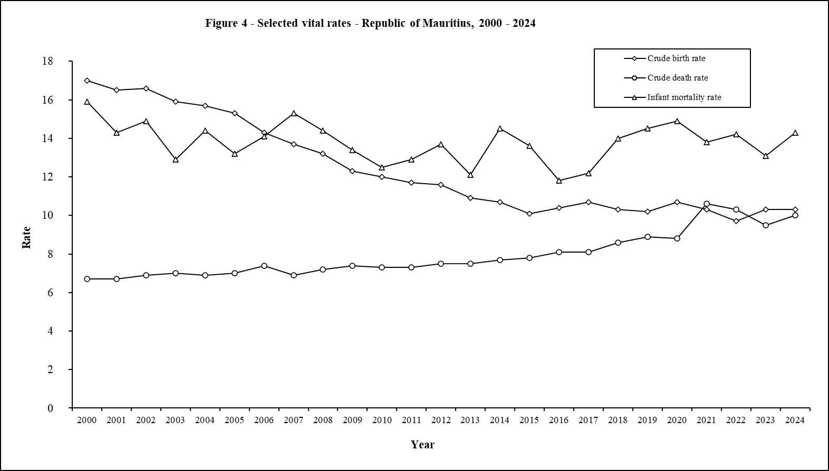

FIG5
Back to Table of Contents

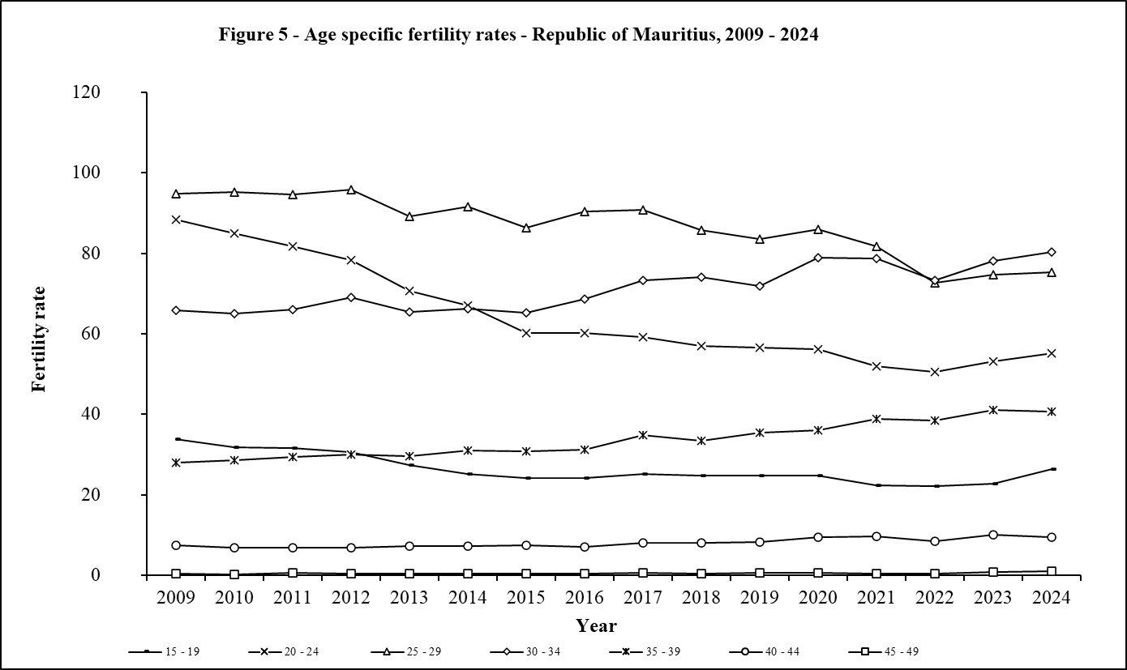

FIG6
Back to Table of Contents
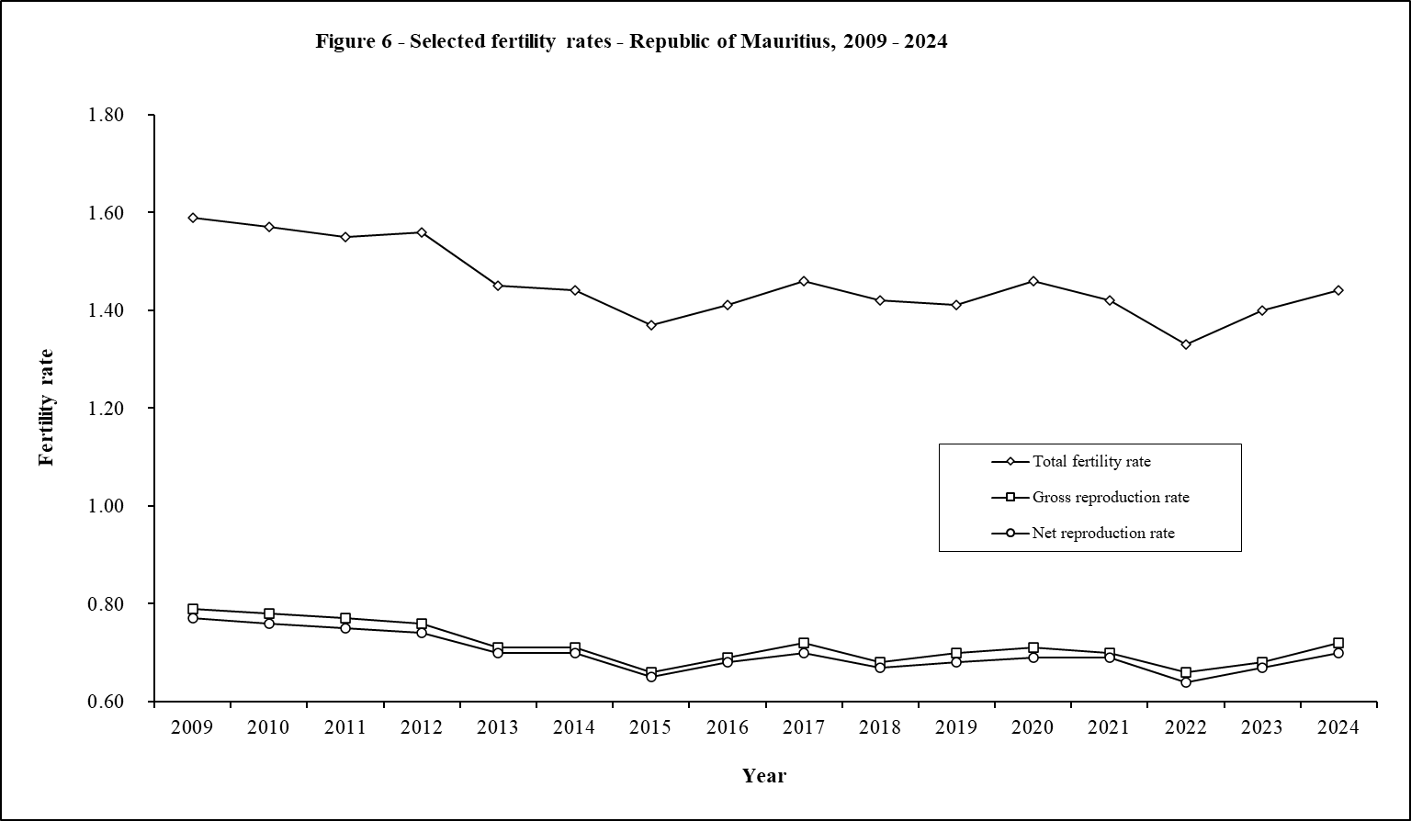

TAB3.10
1/
1/
Back to Table of Contents
Table 3.10 - Live births occurred by duration of union - Republic of Mauritius1, Island of Mauritius & Island of Rodrigues, 2009 - 2024

Republic of Mauritius
Duration of union(years) | 2009 | 2010 | 2011 | 2012 | 2013 | 2014 | 2015 | 2016 | 2017 | 2018 | 2019 | 2020 | 2021 | 2022 | 2023 | 2024
< 1 year | 1,170 | 1,093 | 1,815 | 1,818 | 1,728 | 1,659 | 1,517 | 1,508 | 1,457 | 1,415 | 1,442 | 1,287 | 1,233 | 1,171 | 1,155 | 1,039
1 year | 2,731 | 2,553 | 2,718 | 2,575 | 2,184 | 2,206 | 2,006 | 1,876 | 1,889 | 1,667 | 1,670 | 1,732 | 1,472 | 1,339 | 1,337 | 1,241
2 years | 1,729 | 1,786 | 1,898 | 1,854 | 1,605 | 1,509 | 1,405 | 1,291 | 1,266 | 1,265 | 1,349 | 1,338 | 1,342 | 1,109 | 1,059 | 1,073
3 years | 1,276 | 1,298 | 1,344 | 1,322 | 1,264 | 1,169 | 1,042 | 1,054 | 1,046 | 1,014 | 1,064 | 1,065 | 1,017 | 997 | 938 | 813
4 years | 1,111 | 1,101 | 1,150 | 1,092 | 1,042 | 1,058 | 928 | 853 | 882 | 821 | 823 | 859 | 843 | 796 | 773 | 655
5 years | 939 | 1,011 | 1,087 | 963 | 927 | 867 | 797 | 808 | 703 | 698 | 729 | 777 | 758 | 640 | 649 | 629
6 years | 798 | 813 | 856 | 820 | 733 | 803 | 652 | 622 | 680 | 614 | 565 | 531 | 606 | 554 | 570 | 549
7 years | 624 | 678 | 714 | 733 | 656 | 637 | 571 | 585 | 554 | 551 | 513 | 535 | 487 | 459 | 451 | 406
8 years | 581 | 543 | 537 | 553 | 542 | 509 | 449 | 453 | 488 | 407 | 431 | 411 | 386 | 367 | 366 | 346
9 years | 500 | 434 | 457 | 436 | 398 | 446 | 418 | 397 | 374 | 363 | 339 | 359 | 350 | 298 | 292 | 294
10 - 14 years | 1,166 | 1,214 | 1,246 | 1,231 | 1,140 | 1,117 | 1,009 | 1,062 | 1,054 | 954 | 1,016 | 977 | 923 | 777 | 842 | 788
15 - 19 years | 330 | 338 | 350 | 343 | 367 | 327 | 318 | 315 | 318 | 311 | 313 | 351 | 315 | 243 | 267 | 242
20 years & over | 74 | 83 | 88 | 97 | 60 | 72 | 64 | 63 | 64 | 82 | 71 | 69 | 66 | 74 | 65 | 47
Not stated | 2,230 | 1,886 | 366 | 665 | 842 | 967 | 1,464 | 2,061 | 2,610 | 2,818 | 2,521 | 2,985 | 3,109 | 3,220 | 3,884 | 4,788
Total | 15,259 | 14,831 | 14,626 | 14,502 | 13,488 | 13,346 | 12,640 | 12,948 | 13,385 | 12,980 | 12,846 | 13,276 | 12,907 | 12,044 | 12,648 | 12,910
Island of Mauritius
< 1 year | 1,164 | 1,074 | 1,750 | 1,770 | 1,673 | 1,586 | 1,459 | 1,437 | 1,395 | 1,343 | 1,371 | 1,212 | 1,137 | 1,097 | 1,107 | 1,004
1 year | 2,719 | 2,520 | 2,637 | 2,517 | 2,123 | 2,134 | 1,931 | 1,804 | 1,802 | 1,601 | 1,592 | 1,632 | 1,379 | 1,230 | 1,285 | 1,193
2 years | 1,723 | 1,764 | 1,840 | 1,817 | 1,545 | 1,471 | 1,365 | 1,245 | 1,215 | 1,190 | 1,288 | 1,261 | 1,269 | 1,040 | 1,008 | 1,045
...

TAB5.1
...
Republic of Mauritius
March | 691 | 661 | 726 | 701 | 775 | 746
April | 665 | 672 | 707 | 691 | 736 | 762
May | 743 | 698 | 726 | 747 | 734 | 796
June | 771 | 722 | 729 | 774 | 766 | 739
July | 874 | 908 | 824 | 920 | 872 | 815
August | 880 | 861 | 863 | 849 | 847 | 869
September | 719 | 750 | 832 | 790 | 784 | 851
October | 781 | 709 | 744 | 770 | 750 | 751
November | 684 | 728 | 732 | 663 | 744 | 783
December | 728 | 764 | 689 | 718 | 765 | 828
1/
1/
Year | 8,987 | 8,891 | 8,951 | 9,103 | 9,231 | 9,438
Island of Rodrigues
Month | 2009 | 2010 | 2011 | 2012 | 2013 | 2014
January | 24 | 22 | 27 | 17 | 14 | 24
February | 18 | 28 | 15 | 27 | 13 | 20
March | 15 | 22 | 22 | 27 | 20 | 23
April | 26 | 22 | 24 | 19 | 14 | 18
May | 21 | 16 | 27 | 10 | 16 | 17
June | 8 | 12 | 10 | 19 | 16 | 17
July | 15 | 16 | 15 | 32 | 12 | 29
August | 27 | 31 | 19 | 26 | 17 | 23
September | 20 | 19 | 13 | 12 | 18 | 24
October | 23 | 19 | 20 | 18 | 22 | 17
November | 16 | 16 | 13 | 14 | 23 | 10
December | 24 | 17 | 14 | 19 | 24 | 22
Year | 237 | 240 | 219 | 240 | 209 | 244
1/
1/
1 excluding Agalega and St Brandon

FIG7
Back to Table of Contents

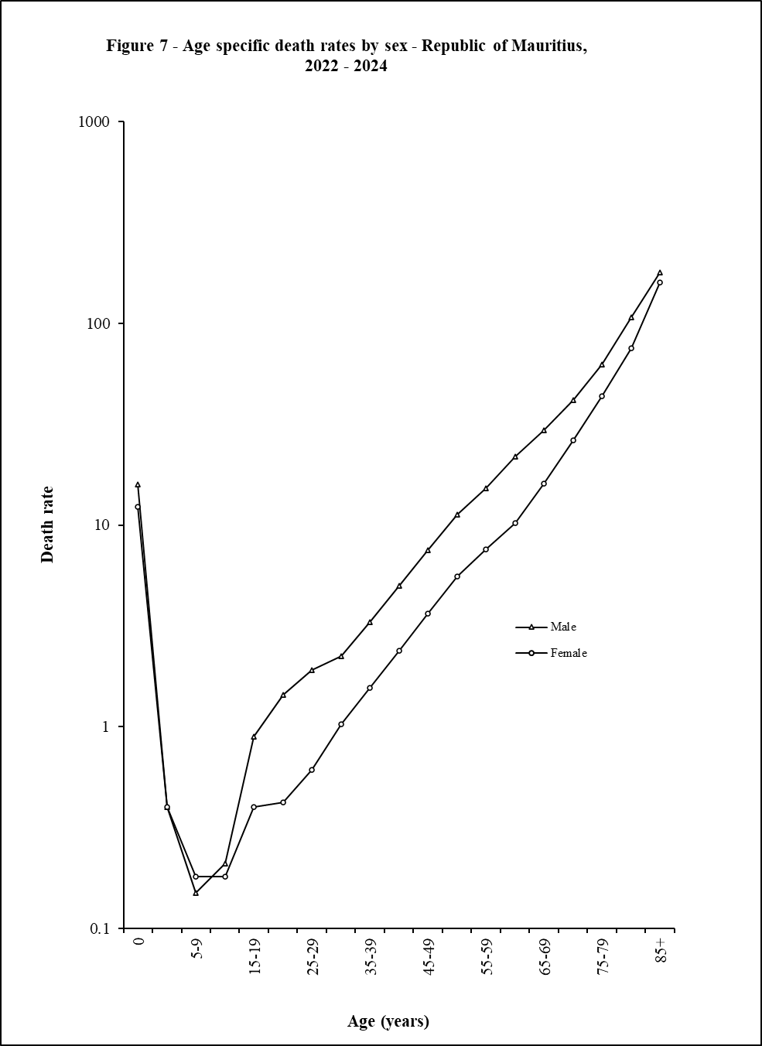

TAB6.3
1/
Back to Table of Contents
Table 6.3 - Marriages by type of marriage celebration and district 1 - Republic of Mauritius2, 2011 - 2024

Geographical district | 2011 |  |  |  | 2012
 | Type of marriage celebration |  |  |  | Type of marriage celebration
 | By civil status officer | By unauthorised person but assisted by a civil status officer | By authorised person | Total | By civil status officer | By unauthorised person but assisted by a civil status officer | By authorised person
Port Louis | 876 | 1 | 8 | 885 | 772 | 5 | 6
Pamplemousses | 1,837 | 4 | 13 | 1,854 | 1,771 | 8 | 11
Riviere du Rempart | 810 | 2 | 14 | 826 | 828 | 5 | 11
Flacq | 1,043 | 0 | 31 | 1,074 | 1,104 | 7 | 26
Grand Port | 983 | 2 | 21 | 1,006 | 1,004 | 0 | 15
Savanne | 581 | 0 | 5 | 586 | 678 | 1 | 8
...

TAB8.3A
1/
Back to Table of Contents
Table 8.3(a) - Distribution of the resident population by selected age group, age indicators and dependency ratio
 | Republic of Mauritius1, 2024 - 2064

Age group | 2024 |  | 2029 |  | 2034 |  | 2039
(Years) | Number | % | Number | % | Number | % | Number

Under 5 | 62,878 | 5.0 | 62,811 | 5.1 | 59,431 | 4.9 | 54,961
Under 15 | 198,769 | 16.0 | 190,078 | 15.5 | 184,898 | 15.4 | 177,016
15 - 49 | 630,934 | 50.6 | 598,721 | 48.8 | 560,361 | 46.7 | 529,296
15 - 59 | 789,118 | 63.3 | 755,783 | 61.5 | 725,507 | 60.4 | 686,998
15 - 64 | 869,922 | 69.8 | 831,457 | 67.7 | 793,040 | 66.0 | 762,322
...

TAB8.3B
1/
Back to Table of Contents
Table 8.3(b) - Distribution of the resident population by selected age group, age indicators and dependency ratio
 | Island of Mauritius, 2024 - 2064

Age group | 2024 |  | 2029 |  | 2034 |  | 2039
(Years) | Number | % | Number | % | Number | % | Number

Under 5 | 58,759 | 4.9 | 58,487 | 5.0 | 54,571 | 4.8 | 49,584
Under 15 | 187,178 | 15.6 | 177,847 | 15.1 | 171,616 | 15.0 | 162,474
15 - 49 | 608,697 | 50.7 | 574,561 | 48.7 | 534,676 | 46.6 | 500,996
15 - 59 | 762,272 | 63.5 | 726,238 | 61.6 | 693,476 | 60.5 | 652,429
15 - 64 | 841,172 | 70.0 | 799,817 | 67.8 | 758,580 | 66.1 | 724,910
...

TAB8.3C
1/
Back to Table of Contents
Table 8.3(c) - Distribution of the resident population by selected age group, age indicators and dependency ratio
 | Island of Rodrigues, 2024 - 2064

Age group | 2024 |  | 2029 |  | 2034 |  | 2039
(Years) | Number | % | Number | % | Number | % | Number

Under 5 | 4,119 | 9.3 | 4,324 | 8.8 | 4,860 | 9.0 | 5,377
Under 15 | 11,591 | 26.2 | 12,231 | 25.0 | 13,282 | 24.7 | 14,542
15 - 49 | 22,237 | 50.3 | 24,160 | 49.4 | 25,685 | 47.7 | 28,300
15 - 59 | 26,846 | 60.7 | 29,545 | 60.4 | 32,031 | 59.5 | 34,569
15 - 64 | 28,750 | 65.0 | 31,640 | 64.7 | 34,460 | 64.0 | 37,412
...

Fig8
Back to Table of Contents
