Cover
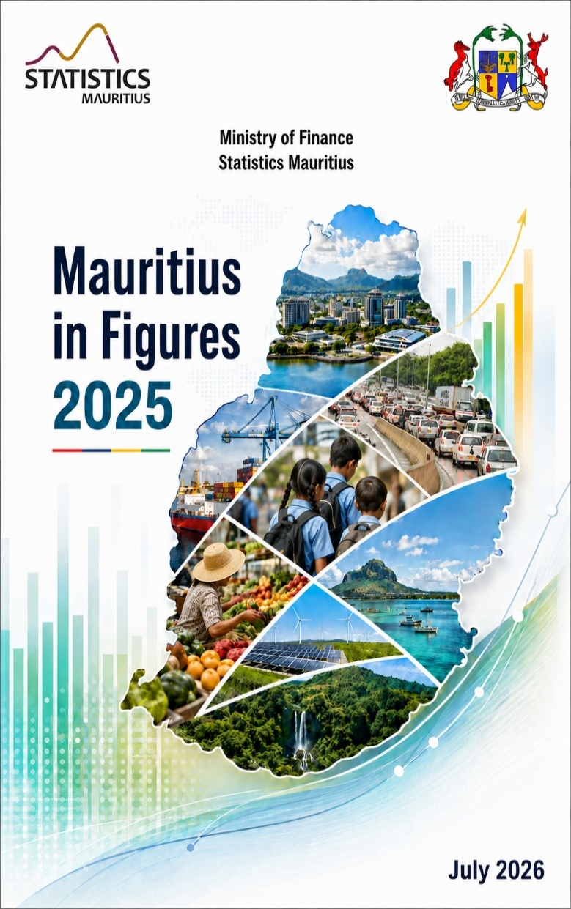

10
back to contents
 |  |  | 2023 | 2024 | 2025
 | Vital statistics (contd.)
 |  | Crude birth rate | 10.3 | 10.3 | 10.7
 |  | Total fertility rate | 1.4 | 1.4 | 1.5
 |  | Crude death rate | 9.5 | 10.0 | 10.2
 |  | Marriage rate | 13.9 | 13.2 | 12.4
 |  | Divorce rate | 4.3 | 5.0 | 4.8

 |  |  | 2040 | 2050
 | Projected population ('000) |  | 1,160.2 | 1,069.5
 |  | Male | 571.2 | 527.5
 |  | Female | 589.0 | 542.0
 | Age composition (%) |  | .
 |  | under 15 years | 15.3 | 14.3
 |  | 15-59 years | 58.5 | 57.5
 |  | 60-64 years | 6.7 | 6.7
 |  | 65 years and over | 19.5 | 21.5
 | Population pyramid ('000)
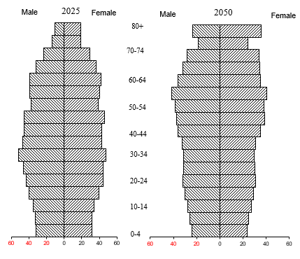
80+
80+

70-74
70-74

60-64
60-64

50-54
50-54

40-44
40-44

30-34
30-34
10

11
back to contents
3. HEALTH
 |  | 2023 | 2024 | 2025
Life expectancy at birth (years)
 | Male | 70.35 1 | 70.59 1 | 70.69 2
 | Female | 77.40 1 | 77.92 1 | 78.02 2
Early neonatal mortality rate |  | 4.9 | 7.1 | 5.1
Late neonatal mortality rate |  | 3.9 | 3.5 | 2.6
Perinatal mortality rate |  | 12.9 | 14.3 | 13
Infant mortality rate |  | 13.1 | 14.3 | 11.6
Maternal Mortality Ratio |  | 0.3 | 0.5 | 0.2
Deaths per 100,000 of 45-64 yrs old
 | Male | 1360 | 1392 | 1386
 | Female | 643 | 679 | 654
Life expectancy at birth (years)
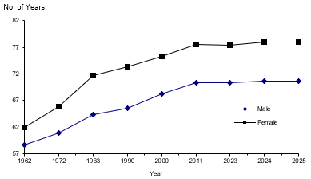

Female
Female
Female
Female
 |  | 2023 | 2024 | 2025 2
Health facilities
Hospitals3 |  | 18 1 | 18 1 | 18
Hospital beds4 |  | 4,845 | 5,139 1 | 5,322 2
Area health centres |  | 21 | 20 | 22
Mediclinics |  | 8 | 12 | 12
Community health centres |  | 124 | 122 | 120
Private clinics5 |  | 20 | 21 | 23

1 Revised. 2 Provisional 3 Including regional(5), specialised (6), District (3) , Community (2) hospitals and 2 health centres with beds (La Ferme AHC and Mont Lubin) in Rodrigues. 4 including private hospitals bed 5 With in-patient services
11

12
Female
Female
Female
Female
back to contents
 |  | 2023 | 2024 | 2025 1
Health facilities (contd.)
 | Medical practitioners | 3,840 | 3,950 | 3,385*
 | Dentists | 452 | 454 | 364*
 | Nurses & midwives | 4,459 | 4,450 | 4,385*
 | Pharmacists | 565 | 574 | 579*
Doctor per 10,000 population |  | 30.8 | 31.7 | 27.2*
Dentist per 10,000 population |  | 3.6 | 3.6 | 2.9*
Deaths (per 100,000 population)
 | Circulatory system | 313 | 332 | 347
 | Respiratory system | 89 | 81 | 80
 | Neoplasms | 121 | 130 | 137
 | Injury & poisoning | 45 | 46 | 44
 | Diabetes mellitus | 220 | 223 | 213
% Deaths
 | Circulatory system | 33 | 33 | 34
 | Respiratory system | 9 | 8 | 8
 | Neoplasms | 13 | 13 | 13
 | Injury & poisoning | 5 | 5 | 4
 | Diabetes mellitus | 23 | 22 | 21
Public expenditure on health as % of
 | Total public expenditure | 8.5 3 | 8.0 4 | na
 | GDP at market prices | 2.7 3 | 2.7 4 | na

*As from 2025, the figures are computed based on the number of practising medical professionals, as reported by the respective professional councils.
1 Provisional
2 Refers to financial year 2021/2022
3 Refers to Financial year 2022/2023
4 Refers to Financial year 2023/2024
12

13
Female
back to contents
4. EDUCATION

 |  |  | 2023 | 2024 | 2025
Pre-primary
 | Schools |  | 770 | 818 | 801
 | Enrolment |  | 23,787 | 27,495 | 26,704
 |  | Male | 12,082 | 13,956 | 13,539
 |  | Female | 11,705 | 13,539 | 13,165
 | Gross enrolment ratio (4-5yrs)** |  | 92 | 107 | 103
 |  | Male | 91 | 107 | 103
 |  | Female | 92 | 106 | 103
 | Teaching staff |  | 1,762 | 1,962 | 1,893
 | Pupil/teacher ratio |  | 14 | 14 | 14
Primary
 | Schools |  | 325 | 342 | 344
 | Enrolment |  | 89,001 | 84,530 | 82,974
 |  | Male | 45,081 | 43,037 | 42,181
 |  | Female | 43,920 | 41,493 | 40,793
 | Gross enrolment ratio (6-11yrs)** |  | 111 | 107 | 106
 |  | Male | 110 | 107 | 106
 |  | Female | 111 | 107 | 107
Teaching staff |  |  | 5,640 | 6,144 | 5,776
 |  | Male | 1,163 | 1,018 | 919
 |  | Female | 4,477 | 5,126 | 4,857
 | Pupil/teacher ratio 1 |  | 20 | 17 | 18
 |  |  | 2023 | 2024 | 2025
 | Cert. of Primary Education/PSAC (% pass) |  | 82.0 | 79.5 | 79.5
 |  | Male | 78.1 | 76.8 | 76.2
 |  | Female | 86.0 | 82.2 | 82.9
Note: See footnotes on page 15

13

14
Female
Female
back to contents
 |  |  | 2023 | 2024 | 2025
Secondary -General
 | Schools |  | 179 | 175 | 176
 | Enrolment |  | 98,900 | 94,747 | 92,597
 |  | Male | 47,767 | 45,808 | 44,913
 |  | Female | 51,133 | 48,939 | 47,684

 | Gross enrolment ratio (12-19yrs) ** |  | 77 | 75 | 76
 |  | Male | 74 | 72 | 73
 |  | Female | 80 | 78 | 79
 | Teaching staff |  | 9,098 | 8,841 | 8,922
 |  | Male | 3,149 | 3,036 | 3,079
 |  | Female | 5,949 | 5,805 | 5,843
 | Pupil/teacher ratio |  | 11 | 11 | 10
 | School Certificate (% pass) |  | 73.7 | 72.7 | 69.3
 |  | Male | 71.2 | 70.3 | 66.8
 |  | Female | 75.7 | 74.6 | 71.2
 | Higher School Certificate (% pass) |  | 84.4 | 78.9 | 79.0
 |  | Male | 81.5 | 75.3 | 76.2
 |  | Female | 86.4 | 81.5 | 81.1

14

15
Female
Female
back to contents
Vocational & Technical Training 3 |  |  | 2023 | 2024 | 2025
 | Schools |  | 19 | 19 | 19
 | Enrolment |  | 8,730 | 7,585 | 7,064
 |  | Male | 6,546 | 5,569 | 4,897
 |  | Female | 2,184 | 2,016 | 2,167
Post-secondary 4 |  |  | 23/24 | 24/25 | 25/26
 | Schools |  | 8 | 8 | 8
 | Enrolment |  | 34,218 | 31,727 | 30,332
 |  | Male | 12,938 | 12,096 | 11,501
 |  | Female | 21,280 | 19,631 | 18,831
 | of which
Universite des Mascareignes
 | Enrolment |  | 833 | 549 | 704
 |  | Male | 568 | 394 | 430
 |  | Female | 265 | 155 | 274
Open University of Mauritius
Distance Education Courses
 | Enrolment |  | 16,472 | 14,486 | 12,772
 |  | Male | 5,959 | 5,309 | 4,494
 |  | Female | 10,513 | 9,177 | 8,278
Literacy rate |  |  | 2023 | 2024 | 2025
 |  | Total | NA | NA | NA
 |  | Male | NA | NA | NA
 |  | Female | NA | NA | NA
Public expenditure on education
as a % of |  |  | 22/23 | 23/24 | 24/25
 | Total public expenditure |  | 8.7 | 8.5 | 7.2
 | GDP at market prices |  | 3.0 | 2.9 | 3.0
 | 1 | Pupils per general purpose teacher
 | 2 | Year 2022
 | 3 | Source: Mauritius Institute of Training and Development
 | 4 | Source: Annual Survey in Schools-Public Funded Institutions
 | * | The school calendar year 2021 was extended till November 2022 due to COVID-19 pandemic. There was no new academic year for 2022
 | ** | Figures have been revised based on the 2022 Population Census data

15

20
back to contents
7. PRICE INDICES
 |  |  | Weight | 2023 | 2024 | 2025
Consumer Price Index |  |  | 1,000 | 100.0 | 103.6 | 107.4
 | (Base: Year 2023=100)
 | Food and non-alcoholic beverages |  | 250 | 100.0 | 108.2 | 111.3
 | Alcoholic beverages and tobacco |  | 106 | 100.0 | 103.5 | 109.1
 | Clothing and footwear |  | 41 | 100.0 | 103.0 | 105.7
 | Housing, water, electricity, gas and other fuels |  | 100 | 100.0 | 99.6 | 100.8
 | Furnishings, household equipment and routine household maintenance |  | 48 | 100.0 | 104.3 | 109.9
 | Health |  | 49 | 100.0 | 106.0 | 113.0
 | Transport |  | 159 | 100.0 | 99.1 | 100.2
 | Information and Communication |  | 70 | 100.0 | 100.4 | 100.7
 | Recreation, sport and culture |  | 20 | 100.0 | 103.8 | 107.4
 | Education services |  | 32 | 100.0 | 102.7 | 110.9
 | Restaurants and accommodation services |  | 52 | 100.0 | 105.1 | 115.5
 | Insurance and financial services |  | 41 | 100.0 | 101.6 | 113.4
 | Personal Care, social protection and Miscellaneous goods and services |  | 32 | 100.0 | 104.7 | 108.0
 | Inflation rate(%) - calendar year |  |  | 7.0 | 3.6 | 3.7
 |  |  | Weight | 2023 | 2024 | 2025
Export Price Index (Base: Year 2023=100) 1 |  |  | 10,000 | 100.0 | 104.8 | 104.0
 | Food & live animals |  | 5,015 | 100.0 | 106.2 | 103.3
 |  | -Fish | 2,393 | 100.0 | 102.8 | 106.5
 |  | -Sugar | 1,605 | 100.0 | 106.5 | 90.2
 | Manufactured goods classified chiefly by materials |  | 1,046 | 100.0 | 100.4 | 101.1
 | Misc. manufactured goods |  | 3,681 | 100.0 | 104.0 | 106.1
 |  | -Apparel & clothing accessories | 2,461 | 100.0 | 103.8 | 104.4
1 The EPI and IPI have been rebased from 2018 to 2023=100. Historical index values have been converted using a linking factor for EPI and for IPI to ensure continuous series.

17
13
20

24
back to contents
9. HOUSEHOLD INCOME & EXPENDITURE
 |  |  | Household Budget Survey
 |  |  | 2012 | 2017 | 2023
 | Average household size |  | 3.5 | 3.4 | 3.2
 | Income earners per household |  | 2 | 2.0 | 2.1
 | Average monthly income (rupees) |  | 29,420 | 36,800 | 55,580
 | Median monthly income (rupees) |  | 21,850 | 28,250 | 45,060
 | 1/2 median monthly income (rupees) |  | 10,925 | 14,125 | 22,530
 | % hholds with < 1/2 med. mthly income |  | 17.5 | 17.8 | 15.8
 | Gini coefficient |  | 0.414 | 0.400 | 0.370
 | Income share
 | % of total income going to:
 |  | Lowest 20% of households | 5.3 | 5.6 | 6.2
 |  | Highest 20% of households | 47.5 | 46.0 | 43.4
 | Ratio of highest 20% to lowest 20% |  | 9.0 | 8.2 | 7.0
Household consumption expenditure1 | Household consumption expenditure
 | Average monthly expenditure (rupees) |  | 23,710 | 28,670 | 39,960
 | Median monthly expenditure (rupees) |  | 17,500 | 21,870 | 31,650
 | 1/2 median monthly expend. (rupees) |  | 8,750 | 10,935 | 15,830
 | % hholds with <1/2 med. mthly expend. |  | 14.0 | 15.3 | 14.6
 | Trends in monthly household income distribution,
Trends in monthly household income distribution | Household Budget Surveys 2012, 2017 and 2023
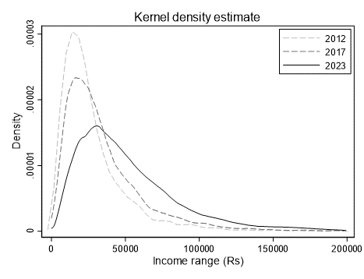

24

27
¹ For year 2000, figures were based on definition of fatal accidents whereby deaths were caused within 7 days of road accidents but for years 2002 onwards figures are based on new definition of fatal accidents whereby deaths are caused within 30 days of road accidents.
¹ For year 2000, figures were based on definition of fatal accidents whereby deaths were caused within 7 days of road accidents but for years 2002 onwards figures are based on new definition of fatal accidents whereby deaths are caused within 30 days of road accidents.
¹ For year 2000, figures were based on definition of fatal accidents whereby deaths were caused within 7 days of road accidents but for years 2002 onwards figures are based on new definition of fatal accidents whereby deaths are caused within 30 days of road accidents.
back to contents
 |  |  | 20231 | 2024 1 | 2025 2
Air transport
 | Landings, aircraft (number) |  | 11,132 | 11,943 | 8,857
 | Freight ('000 tonnes) |  | 49.3 | 59.4 | 38.9
 |  | Loaded | 22.2 | 25.5 | 18.2
 |  | Unloaded | 27.1 | 33.8 | 20.7
Sea transport
 | Arrivals, vessel (number) |  | 2,961 | 3,937 | 4,272
 | Freight ('000 tonnes) |  | 7,983 | 9,139 | 10,146
 |  | Loaded | 1,149 | 1,545 | 1,717
 | Goods unloaded ('000 tonnes) | Unloaded | 6,834 | 7,594 | 8,429
Information and Communication Technologies
 | Radio operators (number) |  | 5 | 5 | 5
 | Television operators (number) |  | 5 | 5 | 5
 | Fixed-line telephone service providers(number) |  | 2 | 2 | 2
 | Mobile cellular service providers (number) |  | 3 | 3 | 3
 | Internet service providers (number) |  | 11 | 11 | 11
 | Television sets licensed ('000) |  | 346.1 | 347.0 | 366.5
 | Fixed telephone
 |  | Number of Lines ('000) | 463.8 | 468.8 | 473.3
 |  | Number of lines per 100 inhabitants | 37.2 | 37.7 | 38.1
 | Mobile cellular telephone
 |  | Number of subscriptions ('000) | 2,104.7 | 2,195.1 | 2,155.4
 |  | Number of subscriptions per 100 inhabitants | 168.7 | 176.4 | 173.6
 | Number of Internet subscriptions ('000) |  | 2,063.0 | 2,216.4 | 2,241.1
 |  | Fixed | 342.1 | 355.6 | 356.0
 |  | Mobile | 1,720.9 | 1,860.8 | 1,885.1
 | Number of Internet subscriptions per 100 inhabitants |  | 165.4 | 178.1 | 180.5
 | International bandwidth usage per inhabitants (bits per second) |  | 234,543 | 284,872 | 313,914
1 | Revised 2 Provisional

27

28
¹ For year 2000, figures were based on definition of fatal accidents whereby deaths were caused within 7 days of road accidents but for years 2002 onwards figures are based on new definition of fatal accidents whereby deaths are caused within 30 days of road accidents.
¹ For year 2000, figures were based on definition of fatal accidents whereby deaths were caused within 7 days of road accidents but for years 2002 onwards figures are based on new definition of fatal accidents whereby deaths are caused within 30 days of road accidents.
¹ For year 2000, figures were based on definition of fatal accidents whereby deaths were caused within 7 days of road accidents but for years 2002 onwards figures are based on new definition of fatal accidents whereby deaths are caused within 30 days of road accidents.
back to contents
 |  |  |  |  | 2023 | 2024 | 2025 1
 | Residential monthly fixed telephone line rental (Rs) |  |  |  | 90.0 | 90.0 | 90.0
 | Monthly mobile data and voice price basket based on broadband internet, on-net voice and SMS as a percentage of GNI per capita (%) |  |  |  | 1.1 | 0.7 | 0.6
 | Monthly fixed broadband internet basket price - FTTH (Fibre to the home Entry Level Offer) as a percentage of GNI per capita (%) |  |  |  | 1.0 | 0.9 | 0.8
 | Employment in the ICT sector as a % of total employment3 |  |  |  | 6.0 | 5.9 | 5.7
 | Value Added in the ICT sector as percentage of GVA at basic prices (%) |  |  |  | 5.8 | 5.7 | 5.7

 | Selected Local press publications (number)
 |  | Dailies |  |  | 7 | 7 | 7
 |  | (i) | Printed |  | 5 | 5 | 5
 |  |  |  | English & French | 4 | 4 | 4
 |  |  |  | Other languages | 1 | 1 | 1
 |  | (ii) | Online-only |  | 2 | 2 | 2
 |  |  |  | English & French | 2 | 2 | 2
 |  |  |  | Other languages | - | - | -
 |  | Weeklies |  |  | 23 | 21 | 21
 |  | (i) | Printed |  | 16 | 14 | 14
 |  |  |  | English & French | 15 | 13 | 13
 |  |  |  | Other languages | 1 | 1 | 1
 |  | (ii) | Online-only |  | 6 | 7 | 7
 |  |  |  | English & French | 6 | 7 | 7
 |  |  |  | Other languages | - | - | -
 | 1 Provisional 2 Revised 3 Large establishments, that is, employing 10 persons or more
Note: The data series for "mobile and fixed tariffs as a % of GNI per capita" has been revised as from 2019 in line with the International Telecommunications Union (ITU) price basket used for the compilation of the new IDI

28

