Cover
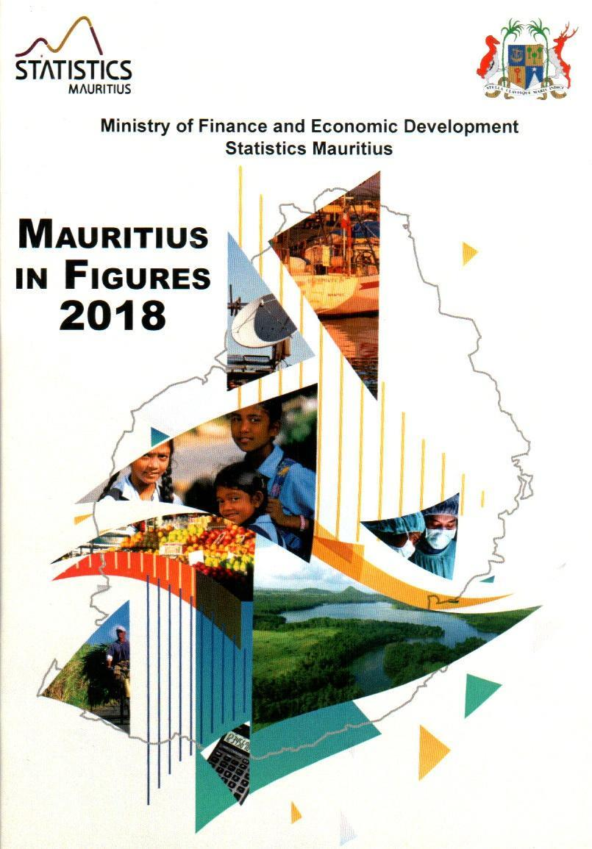
2020

August 2021

P9
back to contents
 |  |  | 2011 | 2019 | 2020
 | Vital statistics (contd.)
 |  | Crude birth rate | 11.7 | 10.2 | 10.6
 |  | Total fertility rate | 1.6 | 1.4 | 1.4
 |  | Crude death rate | 7.3 | 8.8 | 8.7
 |  | Marriage rate | 16.8 | 15.3 | 10.9
 |  | Divorce rate | 2.9 | 3.4 | 3.2
 |  |  | 2025 | 2035 | 2045
 | Projected population ('000)
 |  | Male | 623.6 | 602.8 | 559.9
 |  | Female | 638.2 | 618.6 | 573.8
 | Age composition (%)
 |  | under 15 years | 15.7 | 14.8 | 13.1
 |  | 15-59 years | 62.8 | 59.3 | 56.9
 |  | 60-64 years | 6.7 | 6.0 | 7.1
 |  | 65 years and over | 14.8 | 19.9 | 23.0
 | Population pyramid ('000)

80+

70-74

60-64

50-54

40-44

30-34
9

P10
back to contents
3. HEALTH
 |  | 2011 | 2019 1 | 2020 2
Life expectancy at birth (years)
 | Male | 70.4 | 70.9 | 71.0
 | Female | 77.5 | 77.7 | 77.8
Early neonatal mortality rate |  | 6.4 | 7.2 | 5.9
Late neonatal mortality rate |  | 3.3 | 3.2 | 4.4
Perinatal mortality rate |  | 15.8 | 17.8 | 16.2
Infant mortality rate |  | 12.9 | 14.5 | 14.9
Deaths per 100,000 of 45-64 yrs old
 | Male | 1,239 | 1,263 | 1,227
 | Female | 603 | 654 | 604
Life expectancy at birth (years)

Female
 |  | 2011 | 2019 | 2020
Health facilities
Hospitals3 |  | 15 | 15 | 15
Hospital beds |  | 3,594 | 4,709 | 4,695
Area health centres4 |  | 26 | 23 | 23
Mediclinics |  | 2 | 5 | 6
Community health centres |  | 127 | 130 | 129
Private clinics |  | 17 | 19 | 18
1 Revised. 2 Provisional. 3 Including two health centres with beds in Rodrigues. 4 Including Y. Cantin and Long Mountain Community Hospitals.
10

P11
Female
back to contents
 |  | 2011 | 2019 1 | 2020 2
Health facilities (contd.)
 | Medical practitioners | 1,561 | 3,290 | 3,450
 | Dentists | 268 | 412 | 428
 | Nurses & midwives | 3,670 | 4,306 | 4,400
 | Pharmacists | 408 | 548 | 560
Doctor per 10,000 population |  | 12.4 | 26.0 | 27.3
Dentist per 10,000 population |  | 2.1 | 3.3 | 3.4
Deaths (per 100,000 population)
 | Circulatory system | 228 | 279 | 287
 | Respiratory system | 57 | 112 | 95
 | Neoplasms | 84 | 117 | 113
 | Injury & poisoning | 47 | 41 | 40
 | Diabetes mellitus | 185 | 194 | 183
% Deaths
 | Circulatory system | 31 | 32 | 33
 | Respiratory system | 8 | 13 | 11
 | Neoplasms | 11 | 13 | 13
 | Injury & poisoning | 6 | 5 | 5
 | Diabetes mellitus | 25 | 22 | 21
Public expenditure on health as % of
 | Total public expenditure | 9.7 | 10.6 3 | 10.7 4
 | GDP at market prices | 2.4 | 2.6 3 | 3.1 4
1 Revised 2 Provisional
3 Refers to financial year 2018/2019
4 Refers to financial year 2019/2020

11

P12
Female
back to contents
4. EDUCATION
 |  |  | 2011 | 2019 | 2020
Pre-primary
 | Schools |  | 1,018 | 851 | 828
 | Enrolment |  | 33,901 | 25,479 | 26,162
 |  | Male | 17,282 | 13,010 | 13,633
 |  | Female | 16,619 | 12,469 | 12,529
 | Gross enrolment ratio (4-5yrs) |  | 97 | 96 | 102
 |  | Male | 97 | 97 | 104
 |  | Female | 98 | 96 | 100
 | Teaching staff |  | 2,550 | 2,134 | 2,103
 | Pupil/teacher ratio |  | 13 | 12 | 12
Primary
 | Schools |  | 305 | 319 | 318
 | Enrolment |  | 116,068 | 85,730 | 82,514
 |  | Male | 58,935 | 43,133 | 41,562
 |  | Female | 57,133 | 42,597 | 40,952
 | Gross enrolment ratio (6-11yrs) |  | 100 | 95 | 95
 |  | Male | 100 | 95 | 95
 |  | Female | 100 | 96 | 96
Teaching staff |  |  | 5,701 | 5,639 | 5,903
 |  | Male | 1,655 | 1,118 | 1,141
 |  | Female | 4,046 | 4,521 | 4,762
 | Pupil/teacher ratio 1 |  | 27 | 20 | 18
 | Cert. of Primary Education (% pass) |  | 68.6 | 77.3 | 73.9 2
 |  | Male | 62.7 | 71.7 | 68.7 2
 |  | Female | 74.9 | 82.8 | 79.2 2

12

P13
Female
back to contents
 |  |  | 2011 | 2019 | 2020
Secondary - Academic
 | Schools |  | 180 | 180 | 179
 | Enrolment |  | 115,289 | 108,562 | 105,606
 |  | Male | 55,188 | 52,547 | 51,259
 |  | Female | 60,101 | 56,015 | 54,347

 | Gross enrolment ratio (12-19yrs) |  | 72 | 72 | 72
 |  | Male | 68 | 69 | 69
 |  | Female | 76 | 76 | 76
 | Teaching staff |  | 7,873 | 8,813 | 9,542
 |  | Male | 3,258 | 3,199 | 3,468
 |  | Female | 4,615 | 5,614 | 6,074
 | Pupil/teacher ratio |  | 15 | 12 | 11
 | School Certificate (% pass) |  | 76.7 | 70.9 | …
 |  | Male | 71.8 | 67.9 | …
 |  | Female | 81.2 | 73.3 | …
 | Higher School Certificate (% pass) |  | 79.3 | 75.0 | …
 |  | Male | 75.3 | 70.8 | …
 |  | Female | 82.3 | 77.8 | …
Secondary - Pre-vocational
 | Schools |  | 126 | 111 | …
 | Enrolment |  | 7,270 | 3,781 | 1,443
 |  | Male | 4,635 | 2,471 | 966
 |  | Female | 2,635 | 1,310 | 477
 | Teaching staff |  | 634 | 970 | …
 |  | Male | 227 | 390 | …
 |  | Female | 407 | 580 | …
 | Pupil/teacher ratio |  | 11 | 4 | …
13

P14
Female
back to contents
Vocational & Technical Training 3 |  |  | 2011 | 2019 | 2020

 | Schools |  | 15 | 15 | …
 | Enrolment |  | 9,333 | 8,024 | …
 |  | Male | 7,283 | 6,135 | …
 |  | Female | 2,050 | 1,889 | …
Post-secondary 4 |  |  | 11/12 | 19/20 | 20/21
 | Schools |  | 7 | 8 | 8
 | Enrolment |  | 23,568 | 28,125 | 31,432
 |  | Male | 9,390 | 11,067 | 13,205
 |  | Female | 14,178 | 17,058 | 18,227
 | of which
Universite des Mascareignes
 | Enrolment |  | 704 5 | 1,310 | 1,375
 |  | Male | 308 | 875 | 899
 |  | Female | 396 | 435 | 476
Open University of Mauritius
Distance Education Courses
 | Enrolment |  | 890 6 | 9,947 | 12,677
 |  | Male | 289 | 3,703 | 5,759
 |  | Female | 601 | 6,244 | 6,918
Literacy rate |  |  | 2011 | 2019 | 2020
 |  | Total | 89.8 | … | …
 |  | Male | 92.3 | … | …
 |  | Female | 87.3 | … | …
Public expenditure on education
as a % of |  |  | 2011 | 18/19 | 19/20
 | Total public expenditure |  | 12.5 | 10.8 | 8.3
 | GDP at market prices |  | 3.4 | 3.3 | 3.6
 | 1 | Pupils per general purpose teacher
 | 2 | Refers to % number of candidates meeting Primary School Achievement
 |  | Certificate (PSAC) Requirements at First Sitting before Re-Assessment
 | 3 | Source: Mauritius Institute for Training and Development
 | 4 | Source: Annual Survey in Schools-Public Funded Institutions
 | 5 | Polytechnics 6 MCA

14

P19
back to contents
7. PRICE INDICES
 |  |  | Weight | 2018 | 2019 | 2020
Consumer Price Index |  |  | 1,000 | 103.2 | 103.7 | 106.3
 | (base: Year 2017=100)
 | Food & non-alcoholic beverages |  | 273 | 105.8 | 106.6 | 113.2
 | Alcoholic beverages & tobacco |  | 96 | 104.2 | 105.0 | 106.4
 | Clothing & footwear |  | 45 | 101.6 | 104.8 | 106.6
 | Housing, water, electricity, gas & other fuels |  | 120 | 98.2 | 97.8 | 94.9
 | Furnishings, hhold.equip.& hhold. maintenance |  | 61 | 102.1 | 103.7 | 107.6
 | Health |  | 40 | 103.1 | 105.2 | 108.3
 | Transport |  | 151 | 104.9 | 104.1 | 105.5
 | Communication |  | 39 | 99.6 | 99.1 | 98.7
 | Recreation and culture |  | 44 | 100.9 | 102.0 | 104.1
 | Education |  | 45 | 103.6 | 100.9 | 103.5
 | Restaurants and hotels |  | 45 | 102.2 | 105.2 | 108.0
 | Miscellaneous goods and services |  | 41 | 101.5 | 103.0 | 106.7
 | Inflation rate(%) - calendar year |  |  | 3.2 | 0.5 | 2.5
 |  |  | Weight | 2018 | 2019 | 2020
Export Price Index (base: 2013=100) |  |  | 10,000 | 97.9 | 101.3 | 117.7
 | Food & live animals |  | 4,908 | 82.6 | 81.6 | 92.4
 |  | -Sugar | 2,033 | 76.4 | 75.3 | 89.1
 | Manufactured goods classified chiefly by materials
 |  |  | 305 | 110.3 | 114.0 | 122..8
 | Misc. manufactured goods |  | 4,572 | 113.1 | 121.2 | 144.2
 |  | -Apparel & clothing accessories | 4,236 | 114.8 | 123.6 | 147.5
17
13
19

P26
¹ For year 2000, figures were based on definition of fatal accidents whereby deaths were caused within 7 days of road accidents but for years 2002 onwards figures are based on new definition of fatal accidents whereby deaths are caused within 30 days of road accidents.
back to contents
 |  |  |  | 2011 | 2019 2 | 2020
Air transport
 | Landings, aircraft (number) |  |  | 10,121 | 12,121 | 4,174
 | Freight ('000 tonnes) |  |  | 45.1 | 63.7 | 25.7
 |  | Loaded |  | 23.4 | 30.4 | 12.9
 |  | Unloaded |  | 21.7 | 33.3 | 12.8
Sea transport
 | Arrivals, vessel (number) |  |  | 2,654 | 3,536 | 2,776
 | Freight ('000 tonnes) |  |  | 6,477 | 8,516 | 7,412
 |  | Loaded |  | 1,091 | 1,414 | 1,292
 | Goods unloaded ('000 tonnes) | Unloaded |  | 5,386 | 7,102 | 6,120
Communication
 | Radio operators (number) |  |  | 4 | 4 | 5
 | Television operators (number) |  |  | 4 | 5 | 5
 | Television sets licensed ('000) |  |  | 316.4 | 350.7 | 349.9
 | Fixed telephone
 |  | Lines ('000) |  | 374.6 | 458.7 | 478.7
 |  | National calls registered 1 ('000,000) |  | 422.0 | 298.1 | 271.3
 | Mobile cellular subscribers ('000) |  |  | 1,294.1 | 1,866.6 | 1,912.9
 | International outgoing telephone traffic ('000,000 minutes) |  |  | 134.2 | 41.0 | 34.7
 | Internet subscriptions ('000) |  |  | 370.0 | 1,496.3 | 1,648.0
 |  | Fixed |  | 133.2 | 307.3 | 323.3
 |  | Mobile |  | 236.8 | 1,189.0 | 1,324.7
 | Local press (number) |  |  | 68 | 73 | 70
 |  | Dailies |  | 11 | 7 | 7
 |  |  | English & French | 8 | 5 | 5
 |  |  | Other | 3 | 2 | 2
 |  | Weeklies |  | 27 | 18 | 17
 |  |  | English & French | 26 | 18 | 17
 |  |  | Other | 1 | - | -
 |  | Others |  | 30 | 48 | 46
 |  |  | English & French | 23 | 45 | 43
 |  |  | Other | 7 | 3 | 3
1 Calls irrespective of duration from fixed telephone
2 Revised
26

P45
back to contents
22. SOCIAL SECURITY
 |  |  |  | 2018/19 1 | 2019/20 2
Non-contributory benefits
 | No. of beneficiaries ('000) |  |  | 291.2 | 298.8
 | Total amount paid (R Mn) |  |  | 23,603.6 | 31,326.6
Contributory benefits3
 |  | (National Pensions Fund)
 | No. of employees contributing ('000) |  |  | 379.8 | 379.8
 | Contributions collected 4 (R Mn) |  |  | 4,237.2 | 4,550.2
 | Surcharge collected (R Mn) |  |  | 1.5 | 9.5
 | No. of beneficiaries ('000) |  |  | 153.6 | 162.5
 | Total amount paid (R Mn) |  |  | 2,896.4 | 3,192.1
Public expenditure on social
security and welfare as a % of
 | Total public expenditure |  |  | 26.5 | n.a
 | GDP at market prices |  |  | 6.9 | n.a
Beneficiaries (000)
Dec
`
Amount Paid in
Jul 2019 - Jun 2020
(R Mn)
Benefits by type5,
 | Jul 2019-Jun 2020

 | Non-contributory benefits |  | 298.8 |  | 31,326.6
 |  | - Retirement pension | 232.9 |  | 25,050.7
 |  | - Widows pension (All ages) | 18.5 |  | 2,024.2
 |  | - Invalids pension 6 | 31.6 |  | 3,714.1
 |  | - Orphans pension | 0.3 |  | 41.1
 |  | - Social Aid | 15.5 |  | 496.5
 | Contributory benefits |  | 162.5 |  | 3192.1
 |  | - Retirement pension | 119.8 |  | 2460.2
 |  | - Widows pension (All ages) | 31.1 |  | 607.8
 |  | - Invalids pension | 10.8 |  | 82.9
 |  | - Orphans pension | 0.2 |  | 0.4
 |  | - Industrial injury benefits | 0.6 |  | 40.8
1 Revised. 2 Provisional. 3 Excludes public and parastatal sectors. 4 Ratio of contribution is 2/3 from employers & 1/3 from employees. Excludes surcharge paid by employers. 5 A person receiving several benefits is counted several times. 6 With effect from July 2016, BIP is payable to persons under the age of 60 as compared to previous years where only those aged 15 to 59 were eligible
45

